Programming Admin_Planning
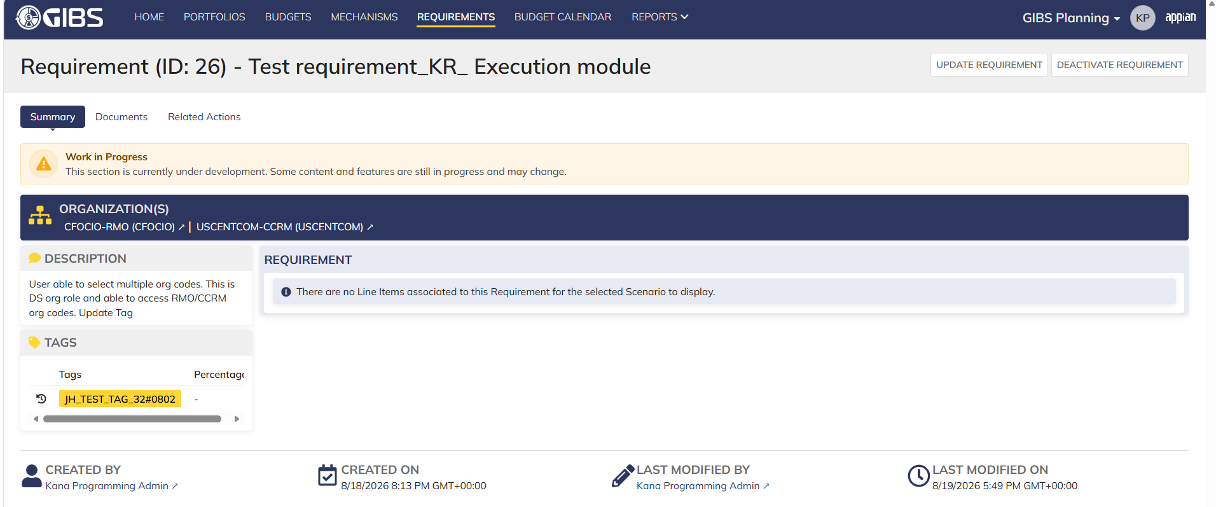
DIABPS Sprint 1 - DIABPS-129 TEST CASE SCENARIO |  | TESTER INFO
Test Case ID: | DIABPS_129#01 | Created By: | Kana Raghavan
Test Scenario: | A user with an appropriate role can view a requirement from planning module | Created On: | 2026-08-03
User Story: | View a requirement(Planning and Execution modules) | Reviewed By: | Jordan Helman
Story Description: | As a(n) Execution Admin, Programming Admin, Manpower Admin, Resource Management Lead, Execution Lead, Programming Lead, Manpower Lead, Execution Analyst, Programming Analyst, or Manpower Analyst, DDFor/CCMD/Office Business Manager, Office Chief, or Viewer at any level (ES, DS, Service, RMO, CCRM, CCMD, DDFor, or Office) user can view requirements within their organization to review its details. | Reviewed On: | 2026-08-14
Environment: | GIBS Test | Executed By: | Kana Raghavan
User Role(s): | Programming Admin for (ES/DS) Org | Executed On: | 2026-08-20
Pre-Conditions: | User able to login to Planning module successfully as Programming Admin who is assigned to specific Org (ES/DS)
Acceptance Criteria | The user will be able to navigate to a site page for “Requirements” Within this site page, the user will be able to: Search for Requirements within my organization by title View a list of Requirements The following columns appear by default: ID This is a hyperlink to the Requirement record summary Title Description Organization Code(s)- If there is more than organization code, the organization codes will display as a bulleted list Active The following columns are optional: Created By Created On Last Modified By Last Modified On Filter Requirements by any of the following which are hidden by default: Title Text field Description Text field Organization Code(s) Autocomplete Search Field Active Within a Requirement’s record, The user can view the Summary tab with the following fields displayed: ID This is a hyperlink to the Requirement record summary Title Description Organization Code(s) If there is more than organization code, the organization codes will display as a bulleted list The user can view the Documents associated to this requirement

Step Number | Step Description | Input Data | Expected Results | Pass/Fail
STEP 1 | Log in as a user with Programming Admin credential. User should be assigned to a specific Org (ES/DS). https://ams-test.appiancloud.us/suite/ | Username: |  | Pass
STEP 2 | Click on GIBS Planning module on top right dropdown to launch Planning module | N/A | User able to click on dropdown and able to launch Planning module | Pass
STEP 3 | Click on "Requirements" Tab | N/A | User able to click requirements tab and current requirements are displayed with all details | Pass
STEP 4 | User able to view requirements with below headers and search for requirement within their organization ID Title Description Organization code Active | N/A | Current requirements are listed with below fields ID Title Description Organization code Active The user can only see requirements that have at least 1 Organization within their scope | Pass
STEP 5 | User should be able to click on "Show Filters" and Filter box is displayed. User should be able to use below fields and use filters: Title Description Organization Codes Active ( User can toggle "Yes" or "No") | Title- Text Description- Text Organization Codes Active (Yes or No) | User should be able to use Filters and view requirements based on Filter that user inputs. | Pass
STEP 6 | User clicks on ID which is hyperlink to open the requirement | N/A | User able to click on ID and requirement screen is displayed | Pass
STEP 7 | Requirement screen is displayed with Requirement ID and Title as header Sub-tabs are displayed and user able to click on below tabs and view the details: Summary Documents Related actions | N/A | Requirement screen with details and user able to click on all sub-tabs successfully | Pass
STEP 8 | On Summary Screen system will record the user who performed the action and the datetime it was performed. Below details are displayed for successful update Created By Created On Last Modified By Last Modified On | N/A | User able to view all system recorded details | Pass
STEP 9 | Click on Documents and user able to view uploaded documents and able to download documents | N/A | User able to view documents and download successfully | Pass
STEP 10 | Repeat Steps 1-8 for below roles Execution Admin Manpower Admin Resource Management Lead Execution Lead Programming Lead Manpower Lead Execution Analyst Programming Analyst Manpower Analyst DDFor Business Manager CCMD Business Manager Office Business Manager Office Chief ES Viewer DS Viewer Service Viewer RMO Viewer CCRM Viewer CCMD Viewer DDFor Viewer Office Viewer | Input data as above steps | Results same as above steps | Pass

Evidences
 | Login as DS Programming Admin

Execution Admin_Planning
DIABPS Sprint 1 - DIABPS-129 TEST CASE SCENARIO |  | TESTER INFO
Test Case ID: | DIABPS_129#02 | Created By: | Kana Raghavan
Test Scenario: | A user with an appropriate role can view a requirement from planning module | Created On: | 2026-08-03
User Story: | View a requirement(Planning and Execution modules) | Reviewed By: | Jordan Helman
Story Description: | As a(n) Execution Admin, Programming Admin, Manpower Admin, Resource Management Lead, Execution Lead, Programming Lead, Manpower Lead, Execution Analyst, Programming Analyst, or Manpower Analyst, DDFor/CCMD/Office Business Manager, Office Chief, or Viewer at any level (ES, DS, Service, RMO, CCRM, CCMD, DDFor, or Office) user can view requirements within their organization to review its details. | Reviewed On: | 2026-08-14
Environment: | GIBS Test | Executed By: | Kana Raghavan
User Role(s): | Execution Admin for (ES/DS) Org | Executed On: | 2026-08-20
Pre-Conditions: | User able to login to Planning module successfully as Execution Admin who is assigned to specific Org (ES/DS)
Acceptance Criteria | The user will be able to navigate to a site page for “Requirements” Within this site page, the user will be able to: Search for Requirements within my organization by title View a list of Requirements The following columns appear by default: ID This is a hyperlink to the Requirement record summary Title Description Organization Code(s)- If there is more than organization code, the organization codes will display as a bulleted list Active The following columns are optional: Created By Created On Last Modified By Last Modified On Filter Requirements by any of the following which are hidden by default: Title Text field Description Text field Organization Code(s) Autocomplete Search Field Active Within a Requirement’s record, The user can view the Summary tab with the following fields displayed: ID This is a hyperlink to the Requirement record summary Title Description Organization Code(s) If there is more than organization code, the organization codes will display as a bulleted list The user can view the Documents associated to this requirement

Step Number | Step Description | Input Data | Expected Results | Pass/Fail
STEP 1 | Log in as a user with Execution Admin credential. User should be assigned to a specific Org (ES/DS). https://ams-test.appiancloud.us/suite/ | Username: |  | Pass
STEP 2 | Click on GIBS Planning module on top right dropdown to launch Planning module | N/A | User able to click on dropdown and able to launch Planning module | Pass
STEP 3 | Click on "Requirements" Tab | N/A | User able to click requirements tab and current requirements are displayed with all details | Pass
STEP 4 | User able to view requirements with below headers and search for requirement within their organization ID Title Description Organization code Active | N/A | Current requirements are listed with below fields ID Title Description Organization code Active The user can only see requirements that have at least 1 Organization within their scope | Pass
STEP 5 | User should be able to click on "Show Filters" and Filter box is displayed. User should be able to use below fields and use filters: Title Description Organization Codes Active ( User can toggle "Yes" or "No") | Title- Text Description- Text Organization Codes Active (Yes or No) | User should be able to use Filters and view requirements based on Filter that user inputs. | Pass
STEP 6 | User clicks on ID which is hyperlink to open the requirement | N/A | User able to click on ID and requirement screen is displayed | Pass
STEP 7 | Requirement screen is displayed with Requirement ID and Title as header Sub-tabs are displayed and user able to click on below tabs and view the details: Summary Documents Related actions | N/A | Requirement screen with details and user able to click on all sub-tabs successfully | Pass
STEP 8 | On Summary Screen system will record the user who performed the action and the datetime it was performed. Below details are displayed for successful update Created By Created On Last Modified By Last Modified On | N/A | User able to view all system recorded details | Pass
STEP 9 | Click on Documents and user able to view uploaded documents and able to download documents | N/A | User able to view documents and download successfully | Pass
Evidences
 | Login as ES execution admin

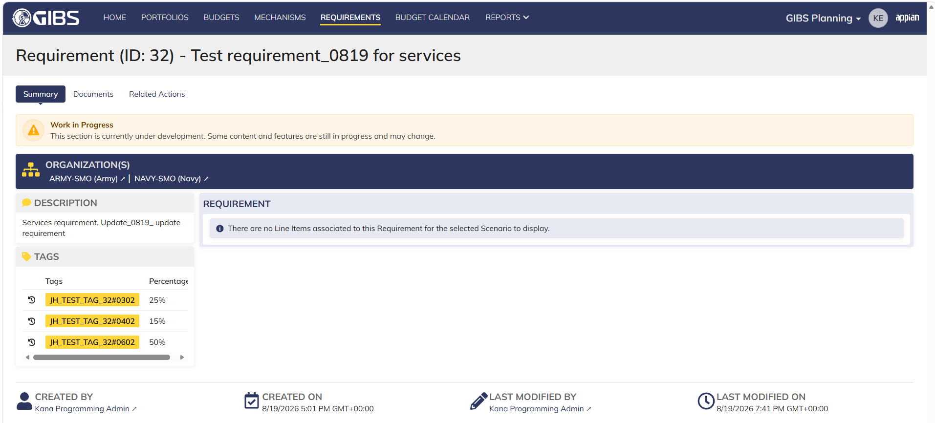

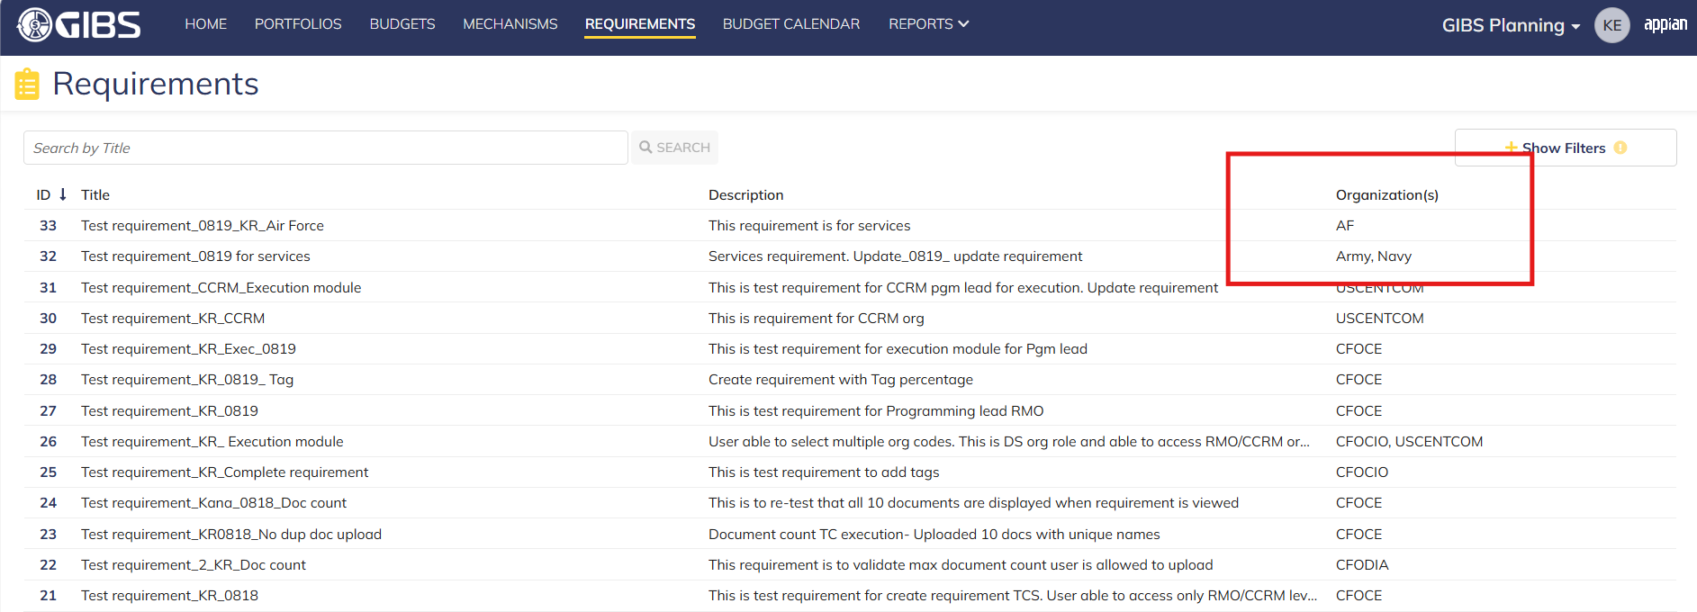

 | Login as DS Execution Admin- RMO/CCRM, cannot view services

Manpower Admin_Planning
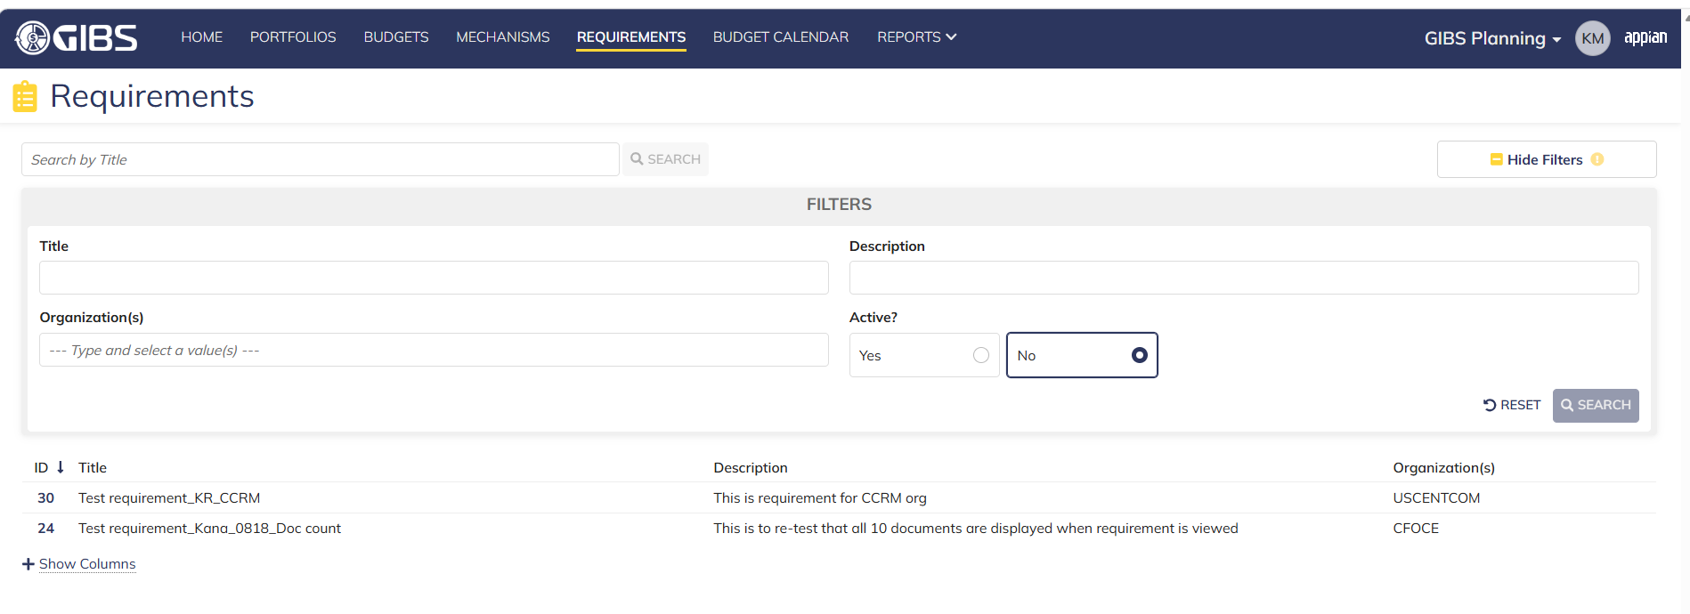
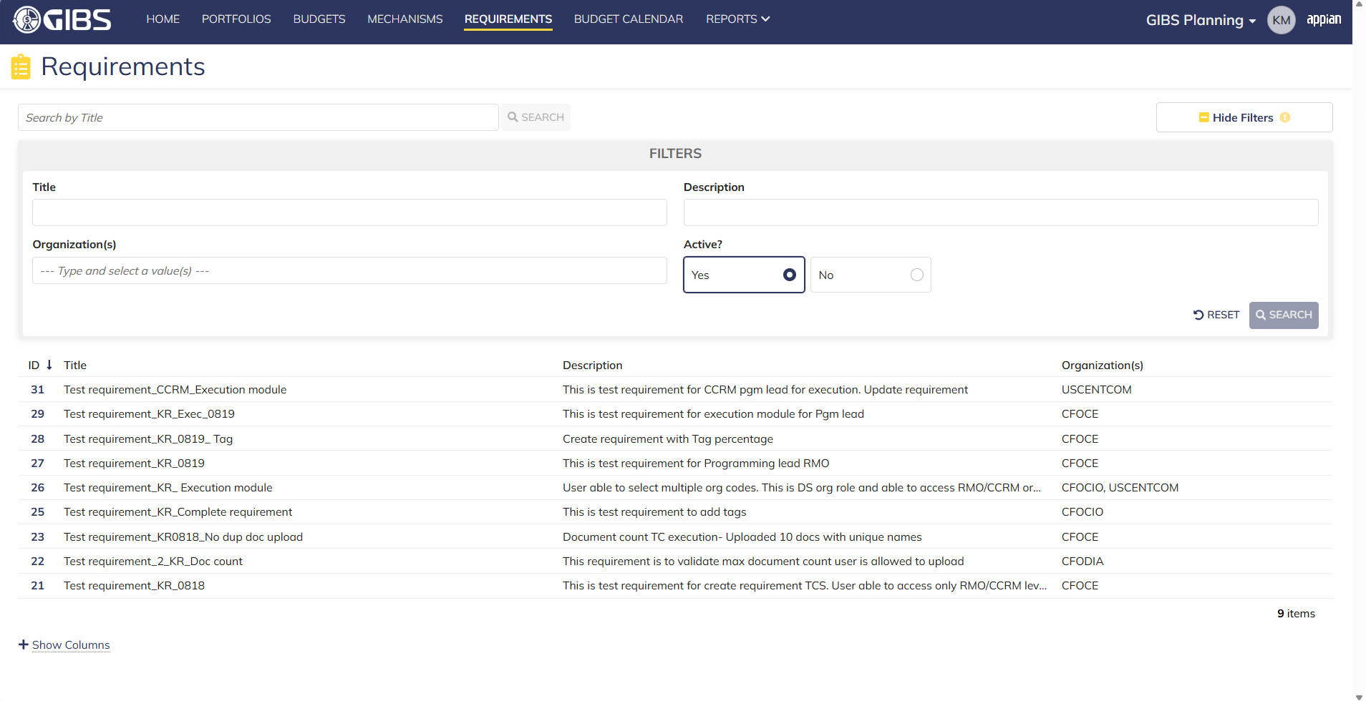
DIABPS Sprint 1 - DIABPS-129 TEST CASE SCENARIO |  | TESTER INFO
Test Case ID: | DIABPS_129#03 | Created By: | Kana Raghavan
Test Scenario: | A user with an appropriate role can view a requirement from planning module | Created On: | 2026-08-03
User Story: | View a requirement(Planning and Execution modules) | Reviewed By: | Jordan Helman
Story Description: | As a(n) Execution Admin, Programming Admin, Manpower Admin, Resource Management Lead, Execution Lead, Programming Lead, Manpower Lead, Execution Analyst, Programming Analyst, or Manpower Analyst, DDFor/CCMD/Office Business Manager, Office Chief, or Viewer at any level (ES, DS, Service, RMO, CCRM, CCMD, DDFor, or Office) user can view requirements within their organization to review its details. | Reviewed On: | 2026-08-14
Environment: | GIBS Test | Executed By: | Kana Raghavan
User Role(s): | Manpower Admin for (DS) Org | Executed On: | 2026-08-20
Pre-Conditions: | User able to login to Planning module successfully as Manpower Admin who is assigned to specific Org (DS)
Acceptance Criteria | The user will be able to navigate to a site page for “Requirements” Within this site page, the user will be able to: Search for Requirements within my organization by title View a list of Requirements The following columns appear by default: ID This is a hyperlink to the Requirement record summary Title Description Organization Code(s)- If there is more than organization code, the organization codes will display as a bulleted list Active The following columns are optional: Created By Created On Last Modified By Last Modified On Filter Requirements by any of the following which are hidden by default: Title Text field Description Text field Organization Code(s) Autocomplete Search Field Active Within a Requirement’s record, The user can view the Summary tab with the following fields displayed: ID This is a hyperlink to the Requirement record summary Title Description Organization Code(s) If there is more than organization code, the organization codes will display as a bulleted list The user can view the Documents associated to this requirement

Step Number | Step Description | Input Data | Expected Results | Pass/Fail
STEP 1 | Log in as a user with Manpower Admin credential. User should be assigned to a specific Org (DS). https://ams-test.appiancloud.us/suite/ | Username: |  | Pass
STEP 2 | Click on GIBS Planning module on top right dropdown to launch Planning module | N/A | User able to click on dropdown and able to launch Planning module | Pass
STEP 3 | Click on "Requirements" Tab | N/A | User able to click requirements tab and current requirements are displayed with all details | Pass
STEP 4 | User able to view requirements with below headers and search for requirement within their organization ID Title Description Organization code Active | N/A | Current requirements are listed with below fields ID Title Description Organization code Active The user can only see requirements that have at least 1 Organization within their scope | Pass
STEP 5 | User should be able to click on "Show Filters" and Filter box is displayed. User should be able to use below fields and use filters: Title Description Organization Codes Active ( User can toggle "Yes" or "No") | Title- Text Description- Text Organization Codes Active (Yes or No) | User should be able to use Filters and view requirements based on Filter that user inputs. | Pass
STEP 6 | User clicks on ID which is hyperlink to open the requirement | N/A | User able to click on ID and requirement screen is displayed | Pass
STEP 7 | Requirement screen is displayed with Requirement ID and Title as header Sub-tabs are displayed and user able to click on below tabs and view the details: Summary Documents Related actions | N/A | Requirement screen with details and user able to click on all sub-tabs successfully | Pass
STEP 8 | On Summary Screen system will record the user who performed the action and the datetime it was performed. Below details are displayed for successful update Created By Created On Last Modified By Last Modified On | N/A | User able to view all system recorded details | Pass
STEP 9 | Click on Documents and user able to view uploaded documents and able to download documents | N/A | User able to view documents and download successfully | Pass
Evidences

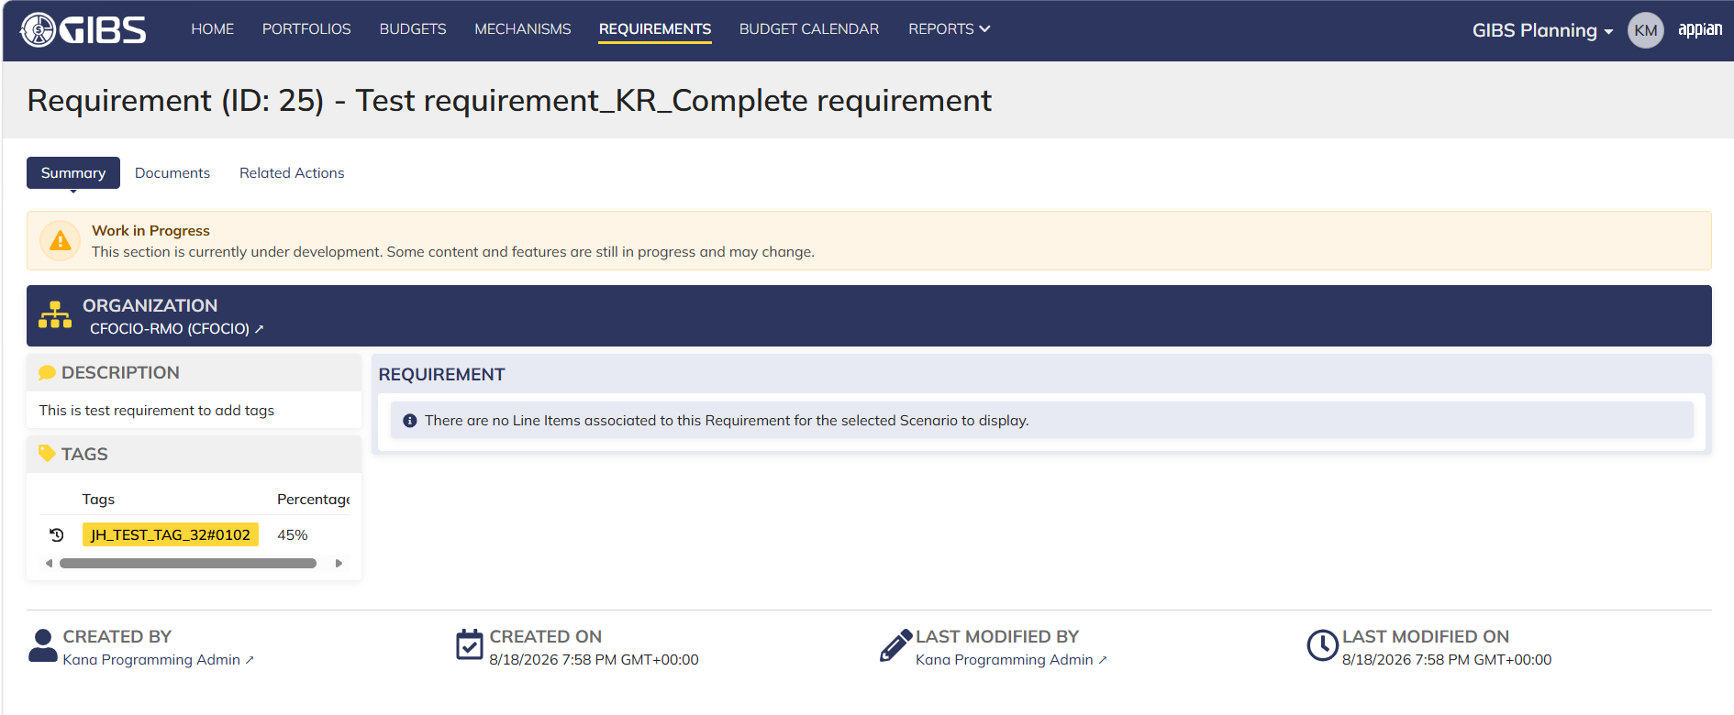

 | Inactive requirement search

Resource Mgmt lead_Planning
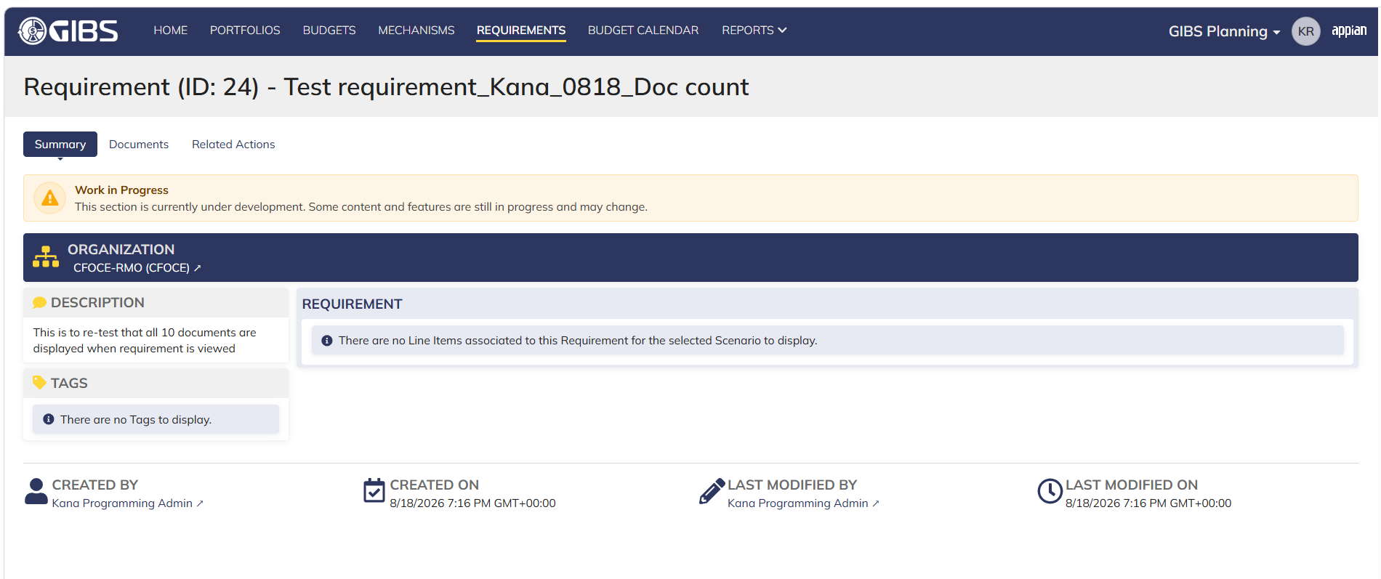
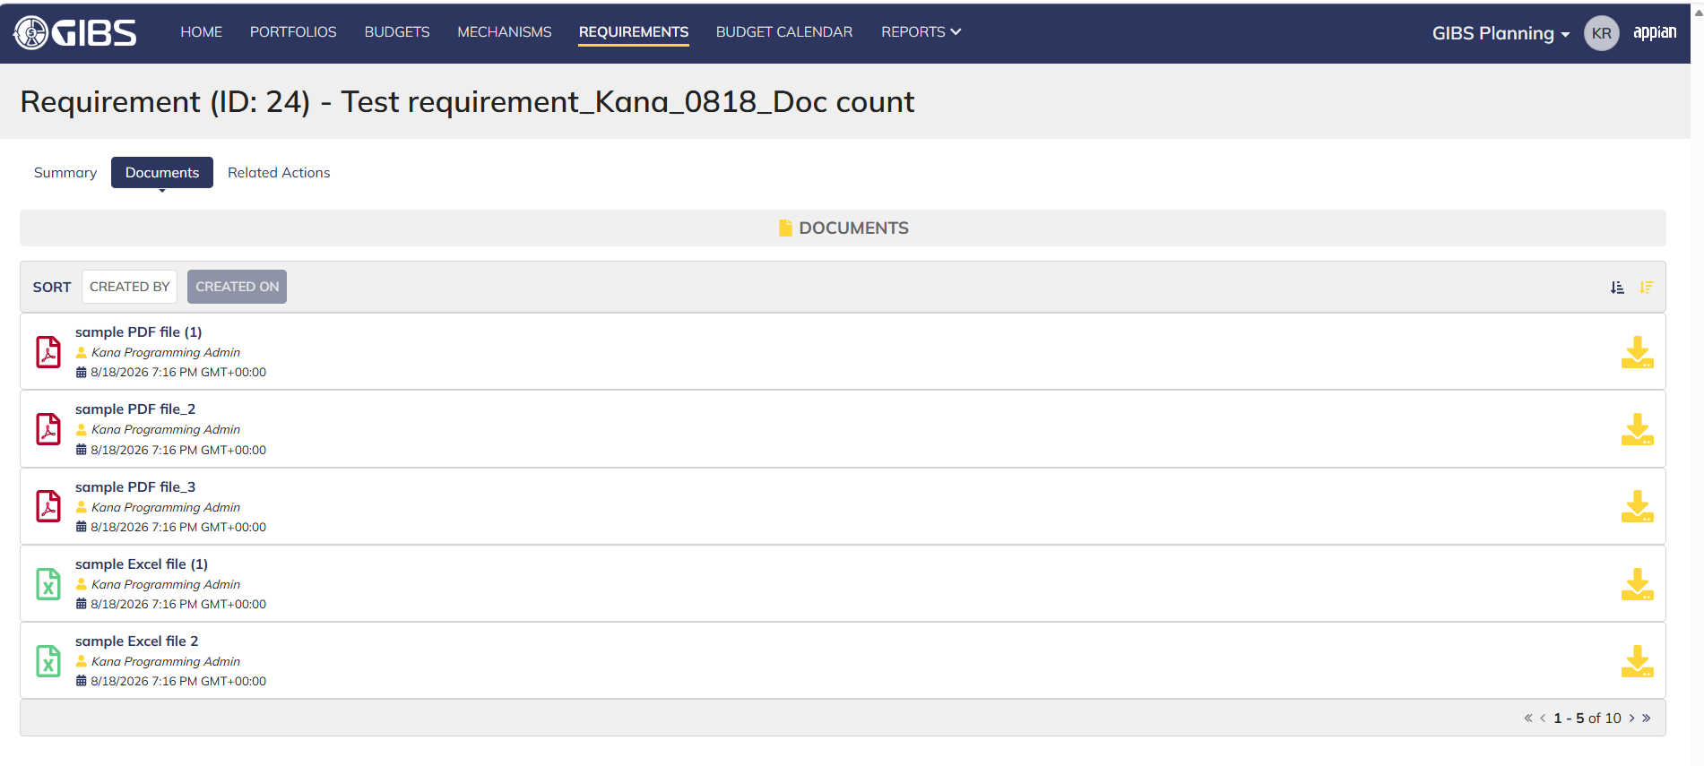
DIABPS Sprint 1 - DIABPS-129 TEST CASE SCENARIO |  | TESTER INFO
Test Case ID: | DIABPS_129#04 | Created By: | Kana Raghavan
Test Scenario: | A user with an appropriate role can view a requirement from planning module | Created On: | 2026-08-03
User Story: | View a requirement(Planning and Execution modules) | Reviewed By: | Jordan Helman
Story Description: | As a(n) Execution Admin, Programming Admin, Manpower Admin, Resource Management Lead, Execution Lead, Programming Lead, Manpower Lead, Execution Analyst, Programming Analyst, or Manpower Analyst, DDFor/CCMD/Office Business Manager, Office Chief, or Viewer at any level (ES, DS, Service, RMO, CCRM, CCMD, DDFor, or Office) user can view requirements within their organization to review its details. | Reviewed On: | 2026-08-14
Environment: | GIBS Test | Executed By: | Kana Raghavan
User Role(s): | Resource Management lead for (Services/RMO/CCRM) Org | Executed On: | 2026-08-20
Pre-Conditions: | User able to login to Planning module successfully as Resource Mgmt lead who is assigned to specific Org (Services/RMO/CCRM)
Acceptance Criteria | The user will be able to navigate to a site page for “Requirements” Within this site page, the user will be able to: Search for Requirements within my organization by title View a list of Requirements The following columns appear by default: ID This is a hyperlink to the Requirement record summary Title Description Organization Code(s)- If there is more than organization code, the organization codes will display as a bulleted list Active The following columns are optional: Created By Created On Last Modified By Last Modified On Filter Requirements by any of the following which are hidden by default: Title Text field Description Text field Organization Code(s) Autocomplete Search Field Active Within a Requirement’s record, The user can view the Summary tab with the following fields displayed: ID This is a hyperlink to the Requirement record summary Title Description Organization Code(s) If there is more than organization code, the organization codes will display as a bulleted list The user can view the Documents associated to this requirement

Step Number | Step Description | Input Data | Expected Results | Pass/Fail
STEP 1 | Log in as a user with Resource Management lead credential. User should be assigned to a specific Org (Services/RMO/CCRM). https://ams-test.appiancloud.us/suite/ | Username: |  | Pass
STEP 2 | Click on GIBS Planning module on top right dropdown to launch Planning module | N/A | User able to click on dropdown and able to launch Planning module | Pass
STEP 3 | Click on "Requirements" Tab | N/A | User able to click requirements tab and current requirements are displayed with all details | Pass
STEP 4 | User able to view requirements with below headers and search for requirement within their organization ID Title Description Organization code Active | N/A | Current requirements are listed with below fields ID Title Description Organization code Active The user can only see requirements that have at least 1 Organization within their scope | Pass
STEP 5 | User should be able to click on "Show Filters" and Filter box is displayed. User should be able to use below fields and use filters: Title Description Organization Codes Active ( User can toggle "Yes" or "No") | Title- Text Description- Text Organization Codes Active (Yes or No) | User should be able to use Filters and view requirements based on Filter that user inputs. | Pass
STEP 6 | User clicks on ID which is hyperlink to open the requirement | N/A | User able to click on ID and requirement screen is displayed | Pass
STEP 7 | Requirement screen is displayed with Requirement ID and Title as header Sub-tabs are displayed and user able to click on below tabs and view the details: Summary Documents Related actions | N/A | Requirement screen with details and user able to click on all sub-tabs successfully | Pass
STEP 8 | On Summary Screen system will record the user who performed the action and the datetime it was performed. Below details are displayed for successful update Created By Created On Last Modified By Last Modified On | N/A | User able to view all system recorded details | Pass
STEP 9 | Click on Documents and user able to view uploaded documents and able to download documents | N/A | User able to view documents and download successfully | Pass
Evidences
 | Login as CCRM Resource Mgmt lead

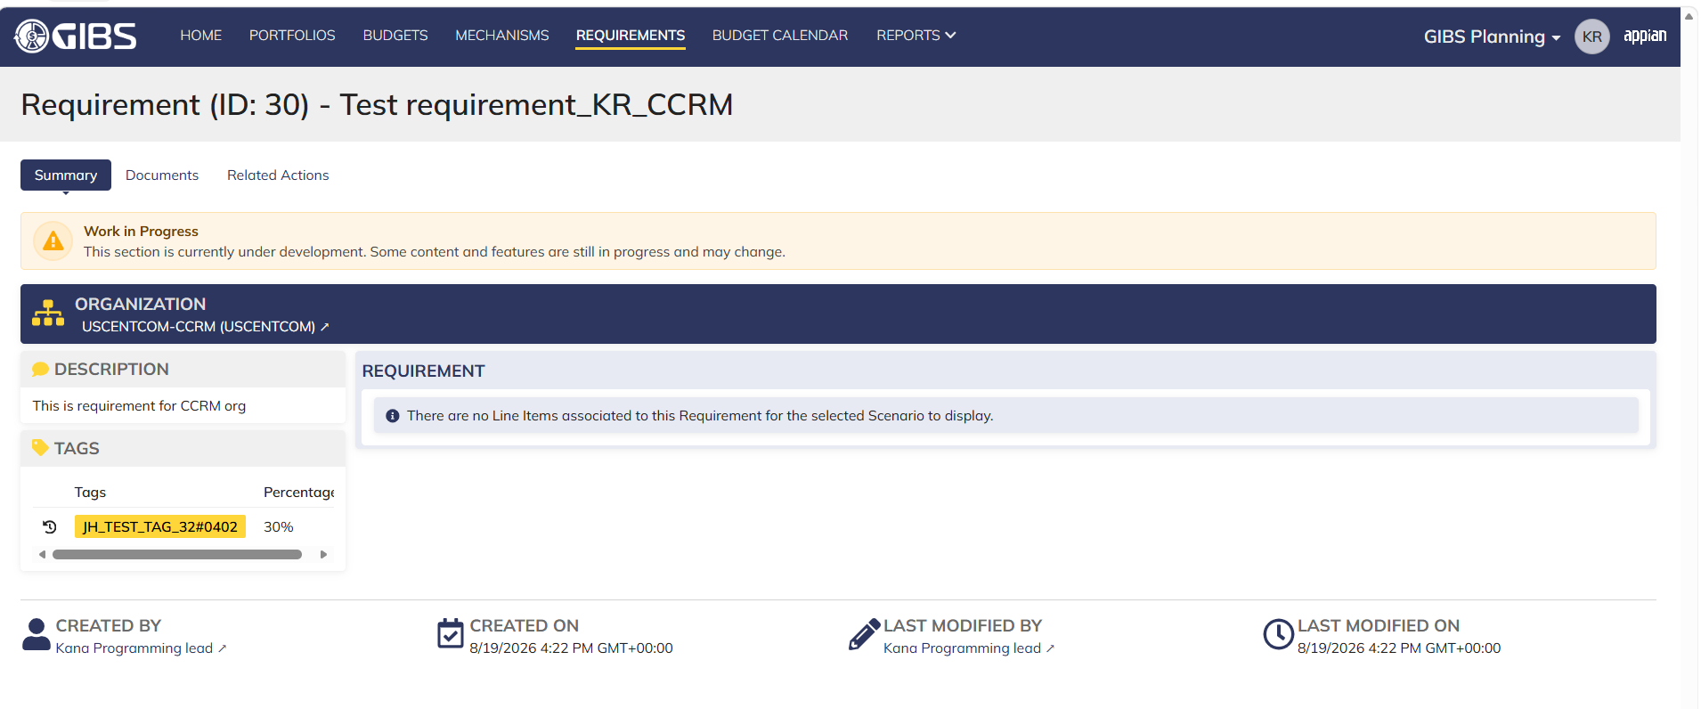

 | Login as SMO Resource Mgmt lead- User able to view services only

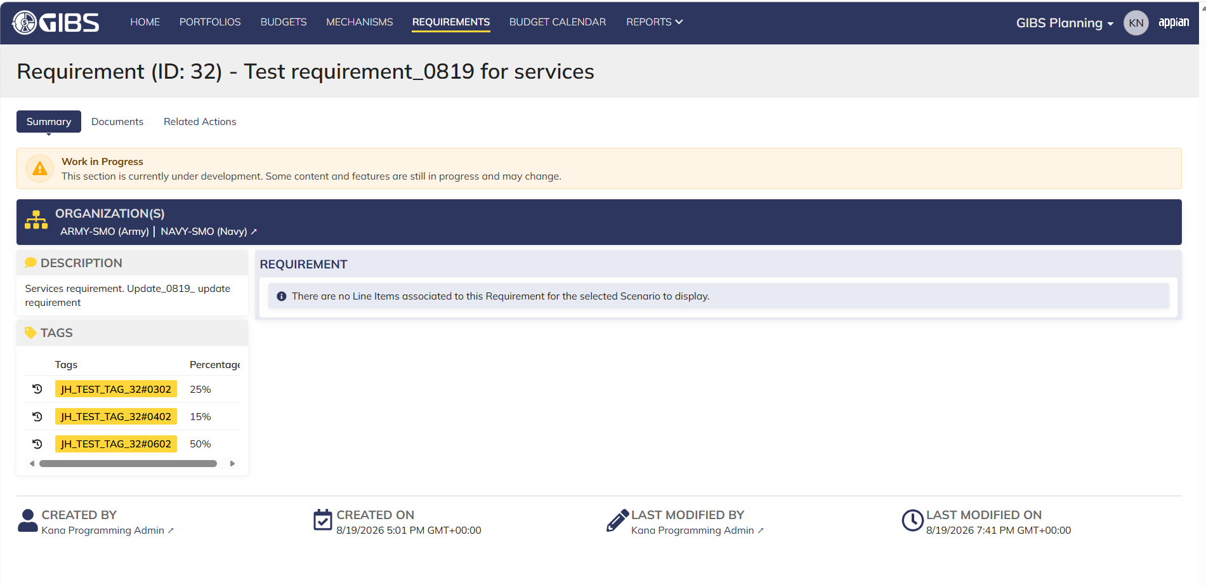

 | Login as RMO Resource Mgmt lead

Execution lead_Planning
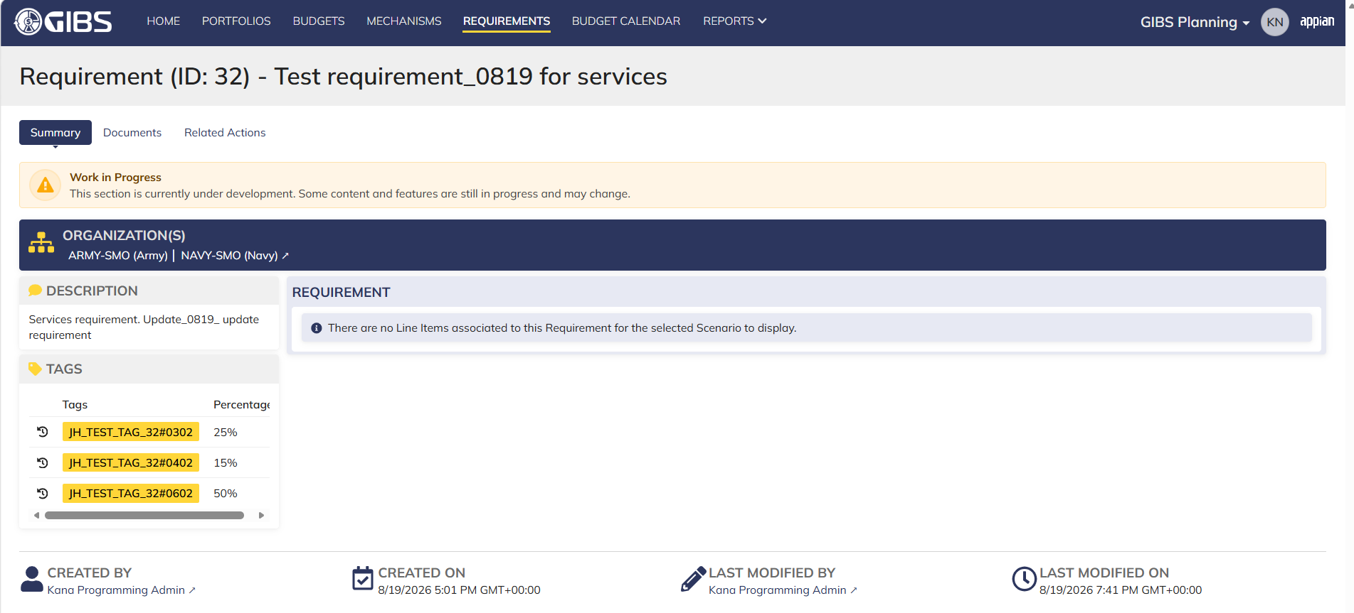
DIABPS Sprint 1 - DIABPS-129 TEST CASE SCENARIO |  | TESTER INFO
Test Case ID: | DIABPS_129#05 | Created By: | Kana Raghavan
Test Scenario: | A user with an appropriate role can view a requirement from planning module | Created On: | 2026-08-03
User Story: | View a requirement(Planning and Execution modules) | Reviewed By: | Jordan Helman
Story Description: | As a(n) Execution Admin, Programming Admin, Manpower Admin, Resource Management Lead, Execution Lead, Programming Lead, Manpower Lead, Execution Analyst, Programming Analyst, or Manpower Analyst, DDFor/CCMD/Office Business Manager, Office Chief, or Viewer at any level (ES, DS, Service, RMO, CCRM, CCMD, DDFor, or Office) user can view requirements within their organization to review its details. | Reviewed On: | 2026-08-14
Environment: | GIBS Test | Executed By: | Kana Raghavan
User Role(s): | Execution lead for (Services/RMO/CCRM) Org | Executed On: | 2026-08-20
Pre-Conditions: | User able to login to Planning module successfully as Execution lead who is assigned to specific Org (Services/RMO/CCRM)
Acceptance Criteria | The user will be able to navigate to a site page for “Requirements” Within this site page, the user will be able to: Search for Requirements within my organization by title View a list of Requirements The following columns appear by default: ID This is a hyperlink to the Requirement record summary Title Description Organization Code(s)- If there is more than organization code, the organization codes will display as a bulleted list Active The following columns are optional: Created By Created On Last Modified By Last Modified On Filter Requirements by any of the following which are hidden by default: Title Text field Description Text field Organization Code(s) Autocomplete Search Field Active Within a Requirement’s record, The user can view the Summary tab with the following fields displayed: ID This is a hyperlink to the Requirement record summary Title Description Organization Code(s) If there is more than organization code, the organization codes will display as a bulleted list The user can view the Documents associated to this requirement

Step Number | Step Description | Input Data | Expected Results | Pass/Fail
STEP 1 | Log in as a user with Exedcution lead credential. User should be assigned to a specific Org (Services/RMO/CCRM). https://ams-test.appiancloud.us/suite/ | Username: |  | Pass
STEP 2 | Click on GIBS Planning module on top right dropdown to launch Planning module | N/A | User able to click on dropdown and able to launch Planning module | Pass
STEP 3 | Click on "Requirements" Tab | N/A | User able to click requirements tab and current requirements are displayed with all details | Pass
STEP 4 | User able to view requirements with below headers and search for requirement within their organization ID Title Description Organization code Active | N/A | Current requirements are listed with below fields ID Title Description Organization code Active The user can only see requirements that have at least 1 Organization within their scope | Pass
STEP 5 | User should be able to click on "Show Filters" and Filter box is displayed. User should be able to use below fields and use filters: Title Description Organization Codes Active ( User can toggle "Yes" or "No") | Title- Text Description- Text Organization Codes Active (Yes or No) | User should be able to use Filters and view requirements based on Filter that user inputs. | Pass
STEP 6 | User clicks on ID which is hyperlink to open the requirement | N/A | User able to click on ID and requirement screen is displayed | Pass
STEP 7 | Requirement screen is displayed with Requirement ID and Title as header Sub-tabs are displayed and user able to click on below tabs and view the details: Summary Documents Related actions | N/A | Requirement screen with details and user able to click on all sub-tabs successfully | Pass
STEP 8 | On Summary Screen system will record the user who performed the action and the datetime it was performed. Below details are displayed for successful update Created By Created On Last Modified By Last Modified On | N/A | User able to view all system recorded details | Pass
STEP 9 | Click on Documents and user able to view uploaded documents and able to download documents | N/A | User able to view documents and download successfully | Pass
Evidences
 | Login as RMO Execution lead

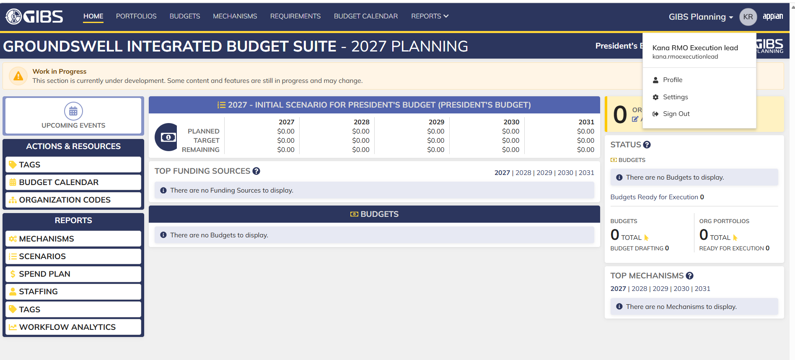

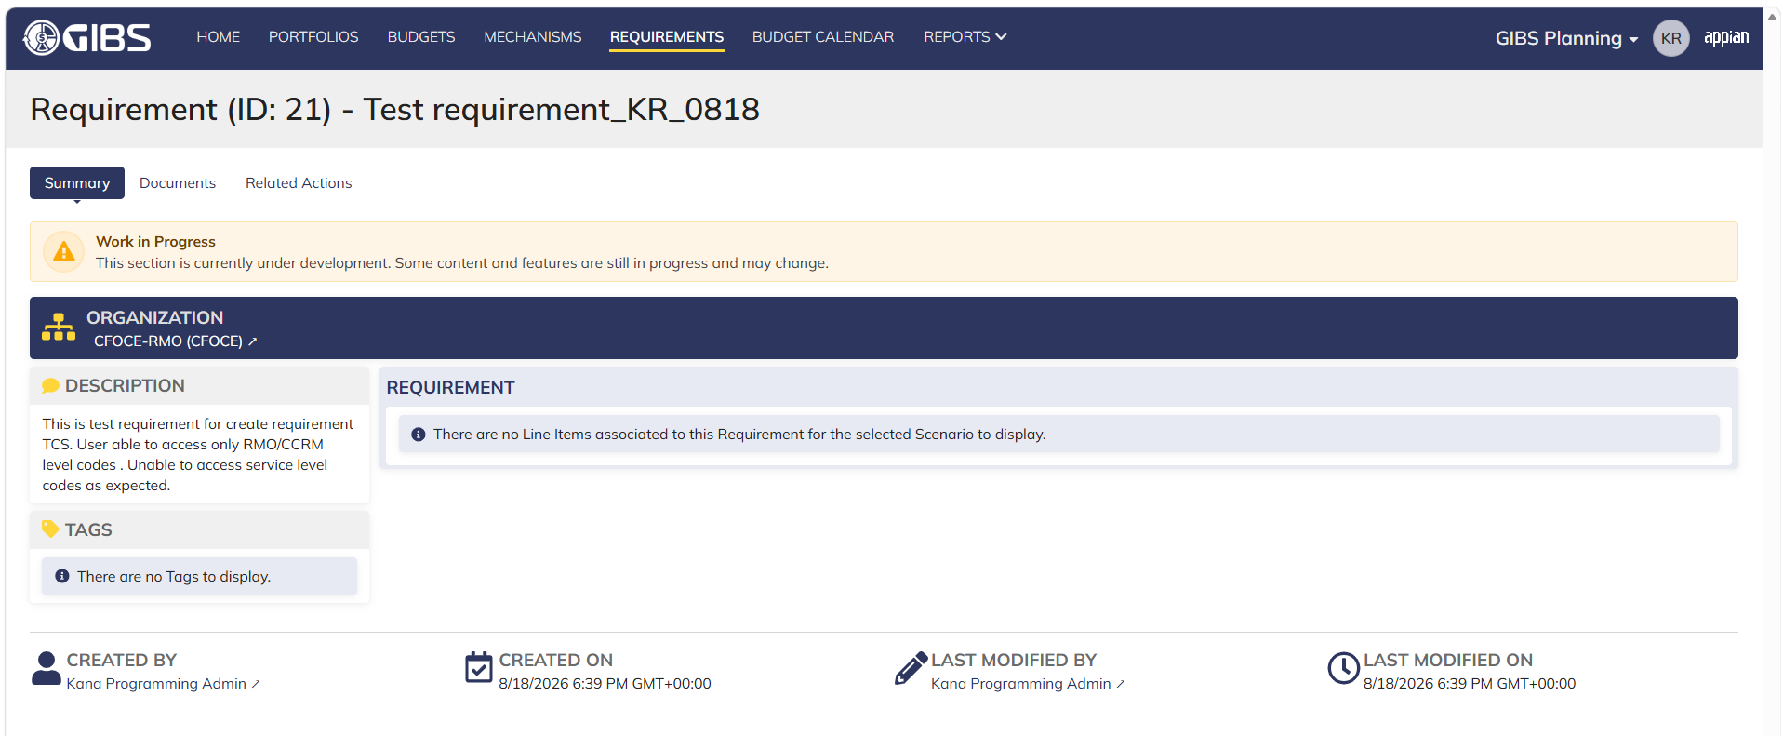

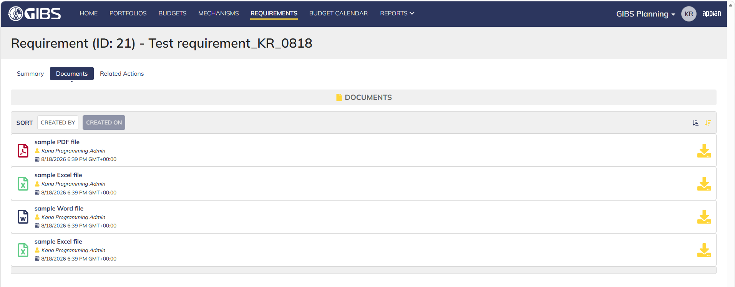

 | Login as CCRM Execution Lead

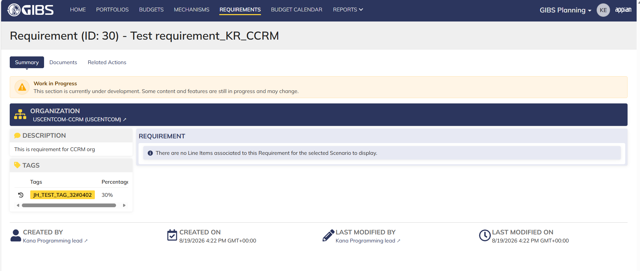

 | Login as Services Execution lead

Programming lead_Planning
DIABPS Sprint 1 - DIABPS-129 TEST CASE SCENARIO |  | TESTER INFO
Test Case ID: | DIABPS_129#06 | Created By: | Kana Raghavan
Test Scenario: | A user with an appropriate role can view a requirement from planning module | Created On: | 2026-08-03
User Story: | View a requirement(Planning and Execution modules) | Reviewed By: | Jordan Helman
Story Description: | As a(n) Execution Admin, Programming Admin, Manpower Admin, Resource Management Lead, Execution Lead, Programming Lead, Manpower Lead, Execution Analyst, Programming Analyst, or Manpower Analyst, DDFor/CCMD/Office Business Manager, Office Chief, or Viewer at any level (ES, DS, Service, RMO, CCRM, CCMD, DDFor, or Office) user can view requirements within their organization to review its details. | Reviewed On: | 2026-08-14
Environment: | GIBS Test | Executed By: | Kana Raghavan
User Role(s): | Programming lead for (RMO/CCRM/Services) Org | Executed On: | 2026-08-20
Pre-Conditions: | User able to login to Planning module successfully as Programming lead who is assigned to specific Org (RMO/CCRM/Services)
Acceptance Criteria | The user will be able to navigate to a site page for “Requirements” Within this site page, the user will be able to: Search for Requirements within my organization by title View a list of Requirements The following columns appear by default: ID This is a hyperlink to the Requirement record summary Title Description Organization Code(s)- If there is more than organization code, the organization codes will display as a bulleted list Active The following columns are optional: Created By Created On Last Modified By Last Modified On Filter Requirements by any of the following which are hidden by default: Title Text field Description Text field Organization Code(s) Autocomplete Search Field Active Within a Requirement’s record, The user can view the Summary tab with the following fields displayed: ID This is a hyperlink to the Requirement record summary Title Description Organization Code(s) If there is more than organization code, the organization codes will display as a bulleted list The user can view the Documents associated to this requirement

Step Number | Step Description | Input Data | Expected Results | Pass/Fail
STEP 1 | Log in as a user with Programming lead credential. User should be assigned to a specific Org (Services/RMO/CCRM). https://ams-test.appiancloud.us/suite/ | Username: |  | Pass
STEP 2 | Click on GIBS Planning module on top right dropdown to launch Planning module | N/A | User able to click on dropdown and able to launch Planning module | Pass
STEP 3 | Click on "Requirements" Tab | N/A | User able to click requirements tab and current requirements are displayed with all details | Pass
STEP 4 | User able to view requirements with below headers and search for requirement within their organization ID Title Description Organization code Active | N/A | Current requirements are listed with below fields ID Title Description Organization code Active The user can only see requirements that have at least 1 Organization within their scope | Pass
STEP 5 | User should be able to click on "Show Filters" and Filter box is displayed. User should be able to use below fields and use filters: Title Description Organization Codes Active ( User can toggle "Yes" or "No") | Title- Text Description- Text Organization Codes Active (Yes or No) | User should be able to use Filters and view requirements based on Filter that user inputs. | Pass
STEP 6 | User clicks on ID which is hyperlink to open the requirement | N/A | User able to click on ID and requirement screen is displayed | Pass
STEP 7 | Requirement screen is displayed with Requirement ID and Title as header Sub-tabs are displayed and user able to click on below tabs and view the details: Summary Documents Related actions | N/A | Requirement screen with details and user able to click on all sub-tabs successfully | Pass
STEP 8 | On Summary Screen system will record the user who performed the action and the datetime it was performed. Below details are displayed for successful update Created By Created On Last Modified By Last Modified On | N/A | User able to view all system recorded details | Pass
STEP 9 | Click on Documents and user able to view uploaded documents and able to download documents | N/A | User able to view documents and download successfully | Pass
Evidences

 | Login as RMO Programming lead- User able to view own Org codes

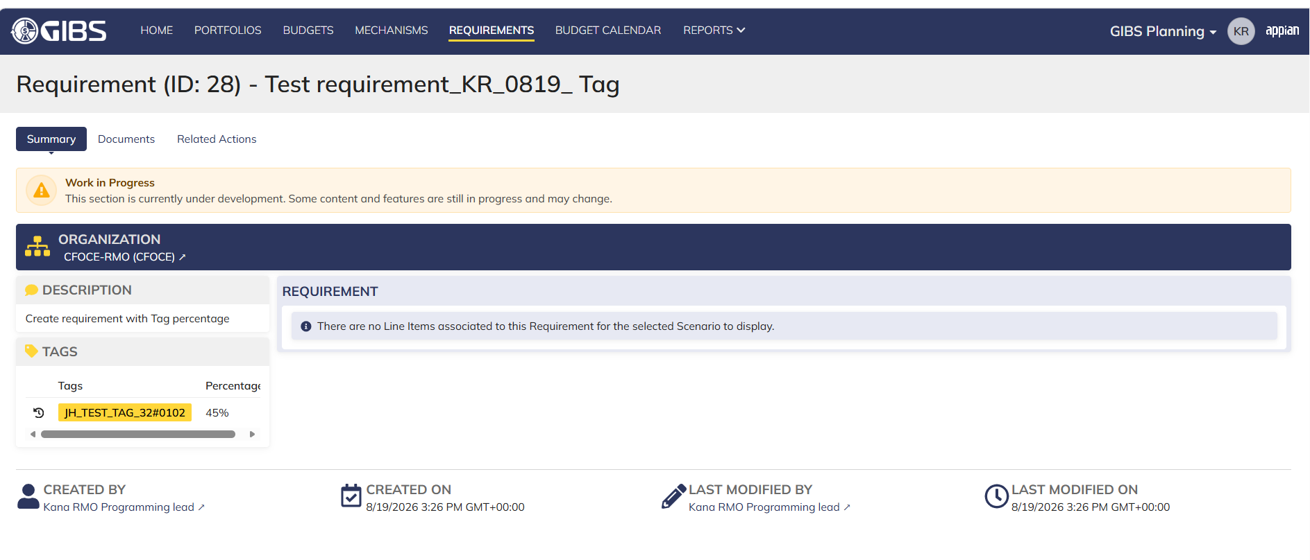

 | Login as CCRM Programming Lead

Manpower lead_Planning
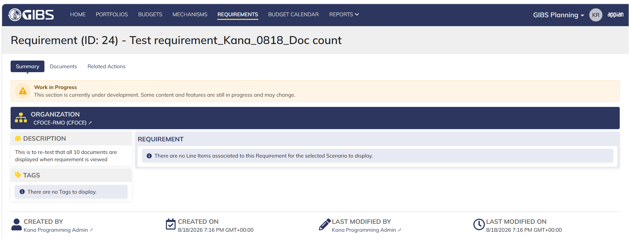
DIABPS Sprint 1 - DIABPS-129 TEST CASE SCENARIO |  | TESTER INFO
Test Case ID: | DIABPS_129#07 | Created By: | Kana Raghavan
Test Scenario: | A user with an appropriate role can view a requirement from planning module | Created On: | 2026-08-03
User Story: | View a requirement(Planning and Execution modules) | Reviewed By: | Jordan Helman
Story Description: | As a(n) Execution Admin, Programming Admin, Manpower Admin, Resource Management Lead, Execution Lead, Programming Lead, Manpower Lead, Execution Analyst, Programming Analyst, or Manpower Analyst, DDFor/CCMD/Office Business Manager, Office Chief, or Viewer at any level (ES, DS, Service, RMO, CCRM, CCMD, DDFor, or Office) user can view requirements within their organization to review its details. | Reviewed On: | 2026-08-14
Environment: | GIBS Test | Executed By: | Kana Raghavan
User Role(s): | Manpower lead for (RMO only) Org | Executed On: | 2026-08-20
Pre-Conditions: | User able to login to Planning module successfully as Manpower lead who is assigned to specific Org (RMO only)
Acceptance Criteria | The user will be able to navigate to a site page for “Requirements” Within this site page, the user will be able to: Search for Requirements within my organization by title View a list of Requirements The following columns appear by default: ID This is a hyperlink to the Requirement record summary Title Description Organization Code(s)- If there is more than organization code, the organization codes will display as a bulleted list Active The following columns are optional: Created By Created On Last Modified By Last Modified On Filter Requirements by any of the following which are hidden by default: Title Text field Description Text field Organization Code(s) Autocomplete Search Field Active Within a Requirement’s record, The user can view the Summary tab with the following fields displayed: ID This is a hyperlink to the Requirement record summary Title Description Organization Code(s) If there is more than organization code, the organization codes will display as a bulleted list The user can view the Documents associated to this requirement

Step Number | Step Description | Input Data | Expected Results | Pass/Fail
STEP 1 | Log in as a user with Manpower lead credential. User should be assigned to a specific Org (RMO). https://ams-test.appiancloud.us/suite/ | Username: |  | Pass
STEP 2 | Click on GIBS Planning module on top right dropdown to launch Planning module | N/A | User able to click on dropdown and able to launch Planning module | Pass
STEP 3 | Click on "Requirements" Tab | N/A | User able to click requirements tab and current requirements are displayed with all details | Pass
STEP 4 | User able to view requirements with below headers and search for requirement within their organization ID Title Description Organization code Active | N/A | Current requirements are listed with below fields ID Title Description Organization code Active The user can only see requirements that have at least 1 Organization within their scope | Pass
STEP 5 | User should be able to click on "Show Filters" and Filter box is displayed. User should be able to use below fields and use filters: Title Description Organization Codes Active ( User can toggle "Yes" or "No") | Title- Text Description- Text Organization Codes Active (Yes or No) | User should be able to use Filters and view requirements based on Filter that user inputs. | Pass
STEP 6 | User clicks on ID which is hyperlink to open the requirement | N/A | User able to click on ID and requirement screen is displayed | Pass
STEP 7 | Requirement screen is displayed with Requirement ID and Title as header Sub-tabs are displayed and user able to click on below tabs and view the details: Summary Documents Related actions | N/A | Requirement screen with details and user able to click on all sub-tabs successfully | Pass
STEP 8 | On Summary Screen system will record the user who performed the action and the datetime it was performed. Below details are displayed for successful update Created By Created On Last Modified By Last Modified On | N/A | User able to view all system recorded details | Pass
STEP 9 | Click on Documents and user able to view uploaded documents and able to download documents | N/A | User able to view documents and download successfully | Pass
Evidences

Execution Analyst_Planning
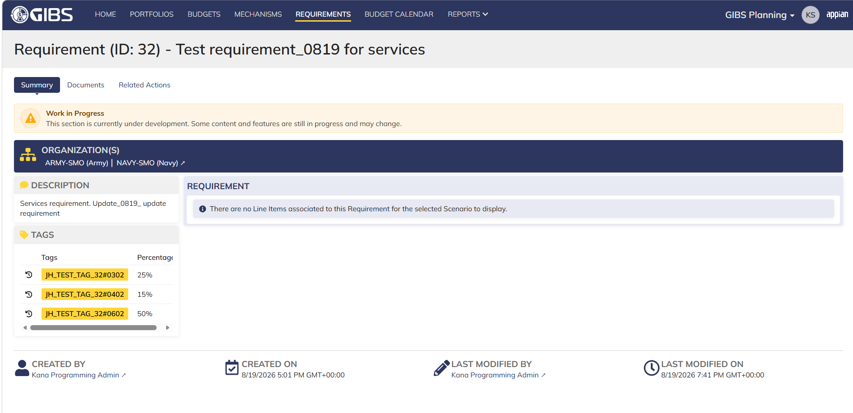
DIABPS Sprint 1 - DIABPS-129 TEST CASE SCENARIO |  | TESTER INFO
Test Case ID: | DIABPS_129#08 | Created By: | Kana Raghavan
Test Scenario: | A user with an appropriate role can view a requirement from planning module | Created On: | 2026-08-03
User Story: | View a requirement(Planning and Execution modules) | Reviewed By: | Jordan Helman
Story Description: | As a(n) Execution Admin, Programming Admin, Manpower Admin, Resource Management Lead, Execution Lead, Programming Lead, Manpower Lead, Execution Analyst, Programming Analyst, or Manpower Analyst, DDFor/CCMD/Office Business Manager, Office Chief, or Viewer at any level (ES, DS, Service, RMO, CCRM, CCMD, DDFor, or Office) user can view requirements within their organization to review its details. | Reviewed On: | 2026-08-14
Environment: | GIBS Test | Executed By: | Kana Raghavan
User Role(s): | Execution Analyst for (Services/RMO/CCRM) Org | Executed On: | 2026-08-20
Pre-Conditions: | User able to login to Planning module successfully as Execution Analyst who is assigned to specific Org (Services/RMO/CCRM)
Acceptance Criteria | The user will be able to navigate to a site page for “Requirements” Within this site page, the user will be able to: Search for Requirements within my organization by title View a list of Requirements The following columns appear by default: ID This is a hyperlink to the Requirement record summary Title Description Organization Code(s)- If there is more than organization code, the organization codes will display as a bulleted list Active The following columns are optional: Created By Created On Last Modified By Last Modified On Filter Requirements by any of the following which are hidden by default: Title Text field Description Text field Organization Code(s) Autocomplete Search Field Active Within a Requirement’s record, The user can view the Summary tab with the following fields displayed: ID This is a hyperlink to the Requirement record summary Title Description Organization Code(s) If there is more than organization code, the organization codes will display as a bulleted list The user can view the Documents associated to this requirement

Step Number | Step Description | Input Data | Expected Results | Pass/Fail
STEP 1 | Log in as a user with Execution Analyst credential. User should be assigned to a specific Org (Services/RMO/CCRM). https://ams-test.appiancloud.us/suite/ | Username: |  | Pass
STEP 2 | Click on GIBS Planning module on top right dropdown to launch Planning module | N/A | User able to click on dropdown and able to launch Planning module | Pass
STEP 3 | Click on "Requirements" Tab | N/A | User able to click requirements tab and current requirements are displayed with all details | Pass
STEP 4 | User able to view requirements with below headers and search for requirement within their organization ID Title Description Organization code Active | N/A | Current requirements are listed with below fields ID Title Description Organization code Active The user can only see requirements that have at least 1 Organization within their scope | Pass
STEP 5 | User should be able to click on "Show Filters" and Filter box is displayed. User should be able to use below fields and use filters: Title Description Organization Codes Active ( User can toggle "Yes" or "No") | Title- Text Description- Text Organization Codes Active (Yes or No) | User should be able to use Filters and view requirements based on Filter that user inputs. | Pass
STEP 6 | User clicks on ID which is hyperlink to open the requirement | N/A | User able to click on ID and requirement screen is displayed | Pass
STEP 7 | Requirement screen is displayed with Requirement ID and Title as header Sub-tabs are displayed and user able to click on below tabs and view the details: Summary Documents Related actions | N/A | Requirement screen with details and user able to click on all sub-tabs successfully | Pass
STEP 8 | On Summary Screen system will record the user who performed the action and the datetime it was performed. Below details are displayed for successful update Created By Created On Last Modified By Last Modified On | N/A | User able to view all system recorded details | Pass
STEP 9 | Click on Documents and user able to view uploaded documents and able to download documents | N/A | User able to view documents and download successfully | Pass
Evidences
 | Login as SMO execution analyst

Programming Analyst_Planning
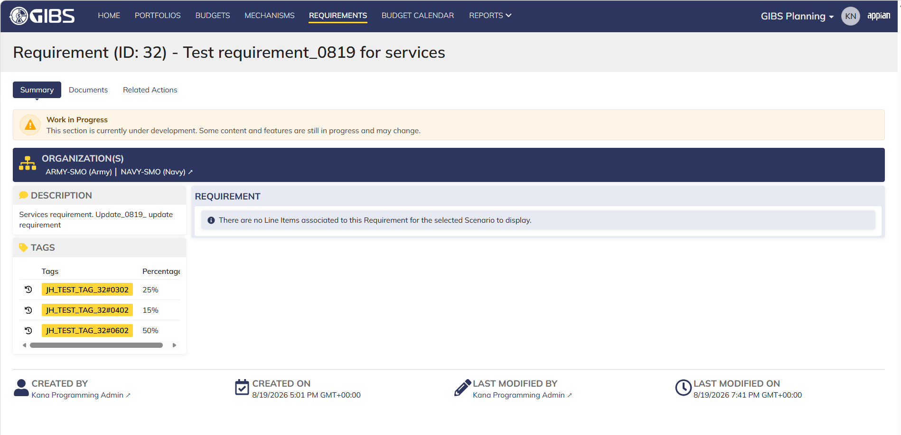
DIABPS Sprint 1 - DIABPS-129 TEST CASE SCENARIO |  | TESTER INFO
Test Case ID: | DIABPS_129#09 | Created By: | Kana Raghavan
Test Scenario: | A user with an appropriate role can view a requirement from planning module | Created On: | 2026-08-03
User Story: | View a requirement(Planning and Execution modules) | Reviewed By: | Jordan Helman
Story Description: | As a(n) Execution Admin, Programming Admin, Manpower Admin, Resource Management Lead, Execution Lead, Programming Lead, Manpower Lead, Execution Analyst, Programming Analyst, or Manpower Analyst, DDFor/CCMD/Office Business Manager, Office Chief, or Viewer at any level (ES, DS, Service, RMO, CCRM, CCMD, DDFor, or Office) user can view requirements within their organization to review its details. | Reviewed On: | 2026-08-14
Environment: | GIBS Test | Executed By: | Kana Raghavan
User Role(s): | Programming Analyst for (Services/RMO/CCRM) Org | Executed On: | 2026-08-20
Pre-Conditions: | User able to login to Planning module successfully as Programming Analyst who is assigned to specific Org (Services/RMO/CCRM)
Acceptance Criteria | The user will be able to navigate to a site page for “Requirements” Within this site page, the user will be able to: Search for Requirements within my organization by title View a list of Requirements The following columns appear by default: ID This is a hyperlink to the Requirement record summary Title Description Organization Code(s)- If there is more than organization code, the organization codes will display as a bulleted list Active The following columns are optional: Created By Created On Last Modified By Last Modified On Filter Requirements by any of the following which are hidden by default: Title Text field Description Text field Organization Code(s) Autocomplete Search Field Active Within a Requirement’s record, The user can view the Summary tab with the following fields displayed: ID This is a hyperlink to the Requirement record summary Title Description Organization Code(s) If there is more than organization code, the organization codes will display as a bulleted list The user can view the Documents associated to this requirement

Step Number | Step Description | Input Data | Expected Results | Pass/Fail
STEP 1 | Log in as a user with Programming Analyst credential. User should be assigned to a specific Org (Services/RMO/CCRM). https://ams-test.appiancloud.us/suite/ | Username: |  | Pass
STEP 2 | Click on GIBS Planning module on top right dropdown to launch Planning module | N/A | User able to click on dropdown and able to launch Planning module | Pass
STEP 3 | Click on "Requirements" Tab | N/A | User able to click requirements tab and current requirements are displayed with all details | Pass
STEP 4 | User able to view requirements with below headers and search for requirement within their organization ID Title Description Organization code Active | N/A | Current requirements are listed with below fields ID Title Description Organization code Active The user can only see requirements that have at least 1 Organization within their scope | Pass
STEP 5 | User should be able to click on "Show Filters" and Filter box is displayed. User should be able to use below fields and use filters: Title Description Organization Codes Active ( User can toggle "Yes" or "No") | Title- Text Description- Text Organization Codes Active (Yes or No) | User should be able to use Filters and view requirements based on Filter that user inputs. | Pass
STEP 6 | User clicks on ID which is hyperlink to open the requirement | N/A | User able to click on ID and requirement screen is displayed | Pass
STEP 7 | Requirement screen is displayed with Requirement ID and Title as header Sub-tabs are displayed and user able to click on below tabs and view the details: Summary Documents Related actions | N/A | Requirement screen with details and user able to click on all sub-tabs successfully | Pass
STEP 8 | On Summary Screen system will record the user who performed the action and the datetime it was performed. Below details are displayed for successful update Created By Created On Last Modified By Last Modified On | N/A | User able to view all system recorded details | Pass
STEP 9 | Click on Documents and user able to view uploaded documents and able to download documents | N/A | User able to view documents and download successfully | Pass
Evidences

 | Login as CCRM Programming Analyst

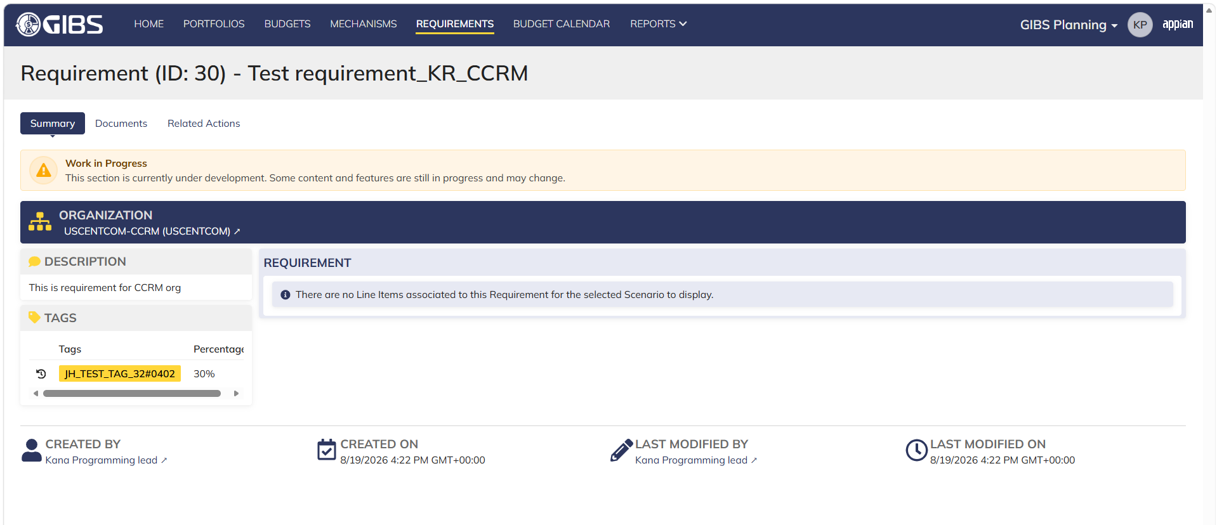

 | Login as SMO Programming Analyst

Manpower Analyst_Planning
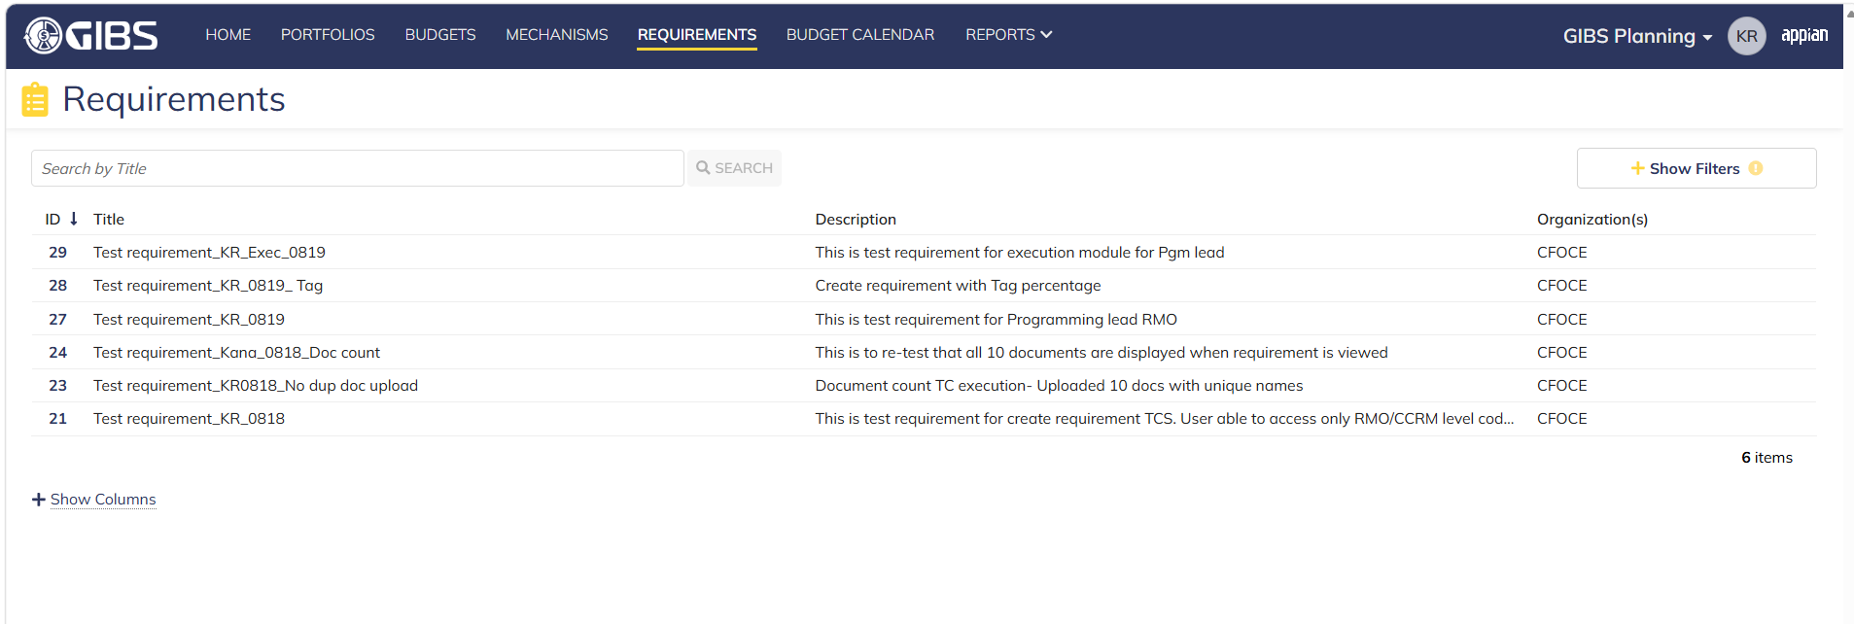
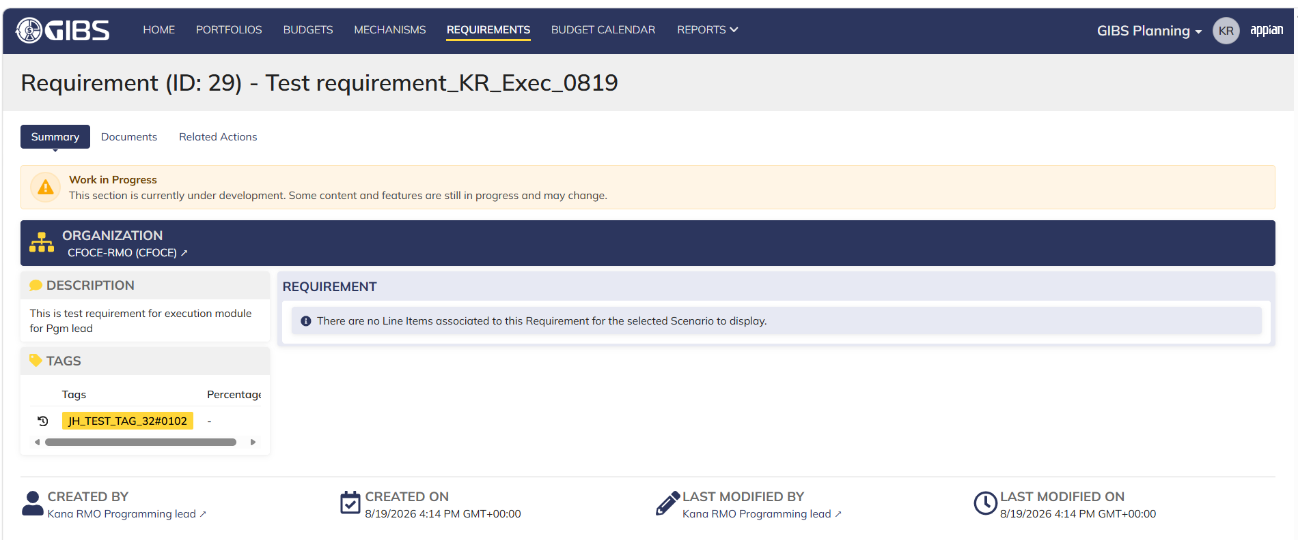
DIABPS Sprint 1 - DIABPS-129 TEST CASE SCENARIO |  | TESTER INFO
Test Case ID: | DIABPS_129#10 | Created By: | Kana Raghavan
Test Scenario: | A user with an appropriate role can view a requirement from planning module | Created On: | 2026-08-03
User Story: | View a requirement(Planning and Execution modules) | Reviewed By: | Jordan Helman
Story Description: | As a(n) Execution Admin, Programming Admin, Manpower Admin, Resource Management Lead, Execution Lead, Programming Lead, Manpower Lead, Execution Analyst, Programming Analyst, or Manpower Analyst, DDFor/CCMD/Office Business Manager, Office Chief, or Viewer at any level (ES, DS, Service, RMO, CCRM, CCMD, DDFor, or Office) user can view requirements within their organization to review its details. | Reviewed On: | 2026-08-14
Environment: | GIBS Test | Executed By: | Kana Raghavan
User Role(s): | Manpower Analyst for (RMO only) Org | Executed On: | 2026-08-20
Pre-Conditions: | User able to login to Planning module successfully as Manpower Analyst who is assigned to specific Org (RMO only)
Acceptance Criteria | The user will be able to navigate to a site page for “Requirements” Within this site page, the user will be able to: Search for Requirements within my organization by title View a list of Requirements The following columns appear by default: ID This is a hyperlink to the Requirement record summary Title Description Organization Code(s)- If there is more than organization code, the organization codes will display as a bulleted list Active The following columns are optional: Created By Created On Last Modified By Last Modified On Filter Requirements by any of the following which are hidden by default: Title Text field Description Text field Organization Code(s) Autocomplete Search Field Active Within a Requirement’s record, The user can view the Summary tab with the following fields displayed: ID This is a hyperlink to the Requirement record summary Title Description Organization Code(s) If there is more than organization code, the organization codes will display as a bulleted list The user can view the Documents associated to this requirement

Step Number | Step Description | Input Data | Expected Results | Pass/Fail
STEP 1 | Log in as a user with Manpower Analyst credential. User should be assigned to a specific Org (RMO). https://ams-test.appiancloud.us/suite/ | Username: |  | Pass
STEP 2 | Click on GIBS Planning module on top right dropdown to launch Planning module | N/A | User able to click on dropdown and able to launch Planning module | Pass
STEP 3 | Click on "Requirements" Tab | N/A | User able to click requirements tab and current requirements are displayed with all details | Pass
STEP 4 | User able to view requirements with below headers and search for requirement within their organization ID Title Description Organization code Active | N/A | Current requirements are listed with below fields ID Title Description Organization code Active The user can only see requirements that have at least 1 Organization within their scope | Pass
STEP 5 | User should be able to click on "Show Filters" and Filter box is displayed. User should be able to use below fields and use filters: Title Description Organization Codes Active ( User can toggle "Yes" or "No") | Title- Text Description- Text Organization Codes Active (Yes or No) | User should be able to use Filters and view requirements based on Filter that user inputs. | Pass
STEP 6 | User clicks on ID which is hyperlink to open the requirement | N/A | User able to click on ID and requirement screen is displayed | Pass
STEP 7 | Requirement screen is displayed with Requirement ID and Title as header Sub-tabs are displayed and user able to click on below tabs and view the details: Summary Documents Related actions | N/A | Requirement screen with details and user able to click on all sub-tabs successfully | Pass
STEP 8 | On Summary Screen system will record the user who performed the action and the datetime it was performed. Below details are displayed for successful update Created By Created On Last Modified By Last Modified On | N/A | User able to view all system recorded details | Pass
STEP 9 | Click on Documents and user able to view uploaded documents and able to download documents | N/A | User able to view documents and download successfully | Pass
Evidences

 | Login as RMO Manpower Analyst

DDFor_CCMD Bus Mgr_Planning
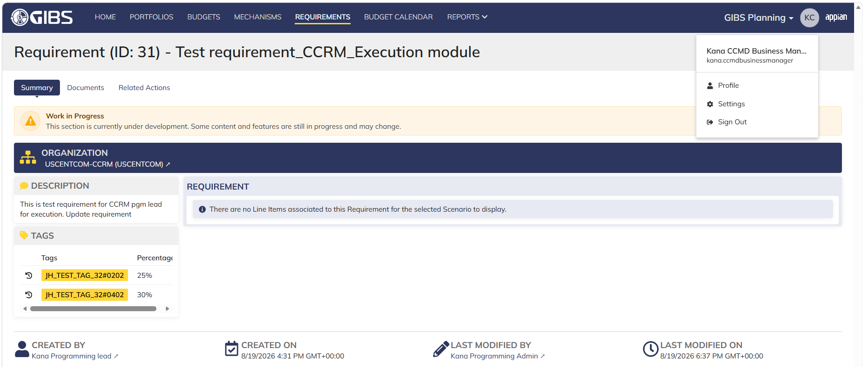
DIABPS Sprint 1 - DIABPS-129 TEST CASE SCENARIO |  | TESTER INFO
Test Case ID: | DIABPS_129#11 | Created By: | Kana Raghavan
Test Scenario: | A user with an appropriate role can view a requirement from planning module | Created On: | 2026-08-10
User Story: | View a requirement(Planning and Execution modules) | Reviewed By: | Jordan Helman
Story Description: | As a(n) Execution Admin, Programming Admin, Manpower Admin, Resource Management Lead, Execution Lead, Programming Lead, Manpower Lead, Execution Analyst, Programming Analyst, or Manpower Analyst, DDFor/CCMD/Office Business Manager, Office Chief, or Viewer at any level (ES, DS, Service, RMO, CCRM, CCMD, DDFor, or Office) user can view requirements within their organization to review its details. | Reviewed On: | 2026-08-14
Environment: | GIBS Test | Executed By: | Kana Raghavan
User Role(s): | DDFor/CCMD Business Manager for (DDFor/CCMD) Org | Executed On: | 2026-08-20
Pre-Conditions: | User able to login to Planning module successfully as DDFor/CCMD Business Manager who is assigned to specific Org (DDFor/CCMD)
Acceptance Criteria | The user will be able to navigate to a site page for “Requirements” Within this site page, the user will be able to: Search for Requirements within my organization by title View a list of Requirements The following columns appear by default: ID This is a hyperlink to the Requirement record summary Title Description Organization Code(s)- If there is more than organization code, the organization codes will display as a bulleted list Active The following columns are optional: Created By Created On Last Modified By Last Modified On Filter Requirements by any of the following which are hidden by default: Title Text field Description Text field Organization Code(s) Autocomplete Search Field Active Within a Requirement’s record, The user can view the Summary tab with the following fields displayed: ID This is a hyperlink to the Requirement record summary Title Description Organization Code(s) If there is more than organization code, the organization codes will display as a bulleted list The user can view the Documents associated to this requirement

Step Number | Step Description | Input Data | Expected Results | Pass/Fail
STEP 1 | Log in as a user with DDFor/CCMD Business Manager credential. User should be assigned to a specific Org (DDFor/CCMD). https://ams-test.appiancloud.us/suite/ | Username: |  | Pass
STEP 2 | Click on GIBS Planning module on top right dropdown to launch Planning module | N/A | User able to click on dropdown and able to launch Planning module | Pass
STEP 3 | Click on "Requirements" Tab | N/A | User able to click requirements tab and current requirements are displayed with all details | Pass
STEP 4 | User able to view requirements with below headers and search for requirement within their organization ID Title Description Organization code Active | N/A | Current requirements are listed with below fields ID Title Description Organization code Active The user can only see requirements that have at least 1 Organization within their scope | Pass
STEP 5 | User should be able to click on "Show Filters" and Filter box is displayed. User should be able to use below fields and use filters: Title Description Organization Codes Active ( User can toggle "Yes" or "No") | Title- Text Description- Text Organization Codes Active (Yes or No) | User should be able to use Filters and view requirements based on Filter that user inputs. | Pass
STEP 6 | User clicks on ID which is hyperlink to open the requirement | N/A | User able to click on ID and requirement screen is displayed | Pass
STEP 7 | Requirement screen is displayed with Requirement ID and Title as header Sub-tabs are displayed and user able to click on below tabs and view the details: Summary Documents Related actions | N/A | Requirement screen with details and user able to click on all sub-tabs successfully | Pass
STEP 8 | On Summary Screen system will record the user who performed the action and the datetime it was performed. Below details are displayed for successful update Created By Created On Last Modified By Last Modified On | N/A | User able to view all system recorded details | Pass
STEP 9 | Click on Documents and user able to view uploaded documents and able to download documents | N/A | User able to view documents and download successfully | Pass
Evidences
 | Login as DDFor Business Manager- User able to view associated org RMO requirements

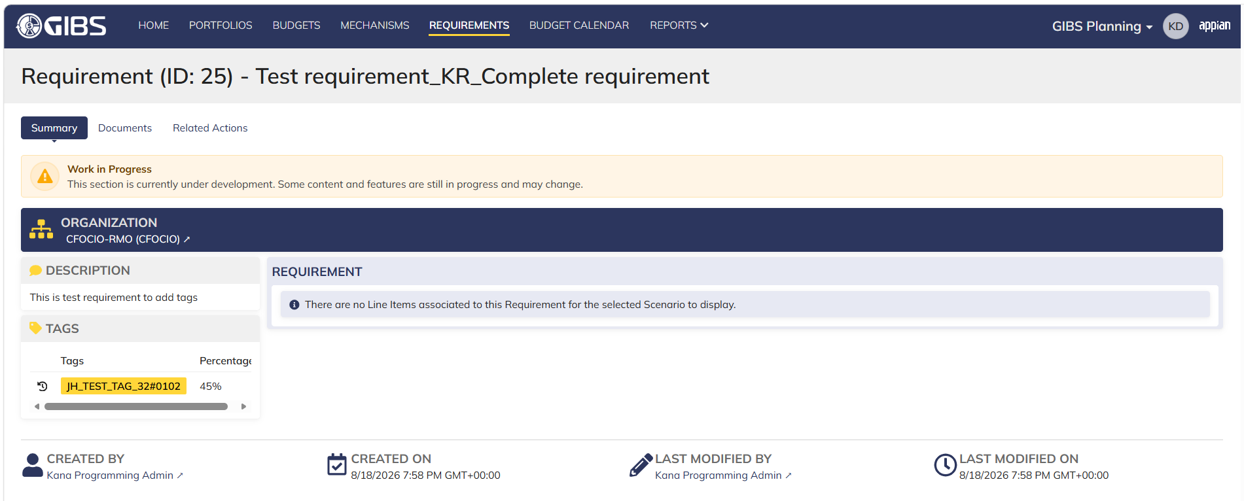

 | Login as CCMD Business Manager

Office Bus Manager_Planning
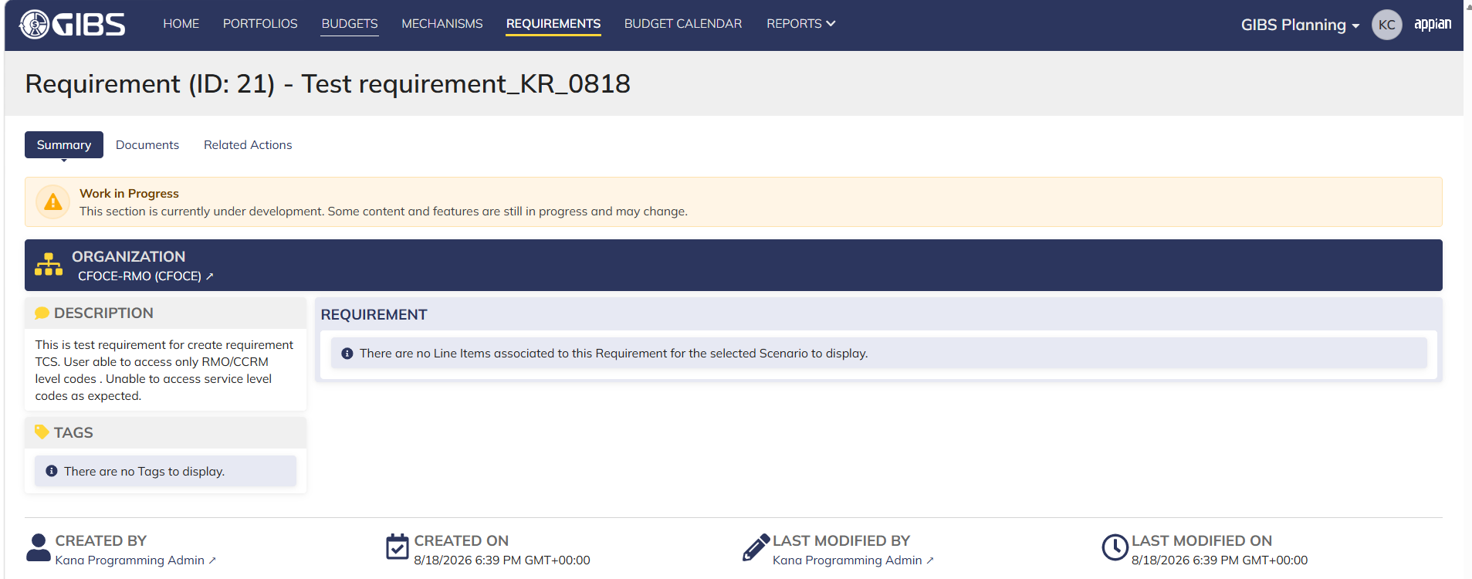
DIABPS Sprint 1 - DIABPS-129 TEST CASE SCENARIO |  | TESTER INFO
Test Case ID: | DIABPS_129#13 | Created By: | Kana Raghavan
Test Scenario: | A user with an appropriate role can view a requirement from planning module | Created On: | 2026-08-10
User Story: | View a requirement(Planning and Execution modules) | Reviewed By: | Jordan Helman
Story Description: | As a(n) Execution Admin, Programming Admin, Manpower Admin, Resource Management Lead, Execution Lead, Programming Lead, Manpower Lead, Execution Analyst, Programming Analyst, or Manpower Analyst, DDFor/CCMD/Office Business Manager, Office Chief, or Viewer at any level (ES, DS, Service, RMO, CCRM, CCMD, DDFor, or Office) user can view requirements within their organization to review its details. | Reviewed On: | 2026-08-14
Environment: | GIBS Test | Executed By: | Kana Raghavan
User Role(s): | Office Business Manager for (Office) Org | Executed On: | 2026-08-20
Pre-Conditions: | User able to login to Planning module successfully as Office Business Manager who is assigned to specific Org (Office)
Acceptance Criteria | The user will be able to navigate to a site page for “Requirements” Within this site page, the user will be able to: Search for Requirements within my organization by title View a list of Requirements The following columns appear by default: ID This is a hyperlink to the Requirement record summary Title Description Organization Code(s)- If there is more than organization code, the organization codes will display as a bulleted list Active The following columns are optional: Created By Created On Last Modified By Last Modified On Filter Requirements by any of the following which are hidden by default: Title Text field Description Text field Organization Code(s) Autocomplete Search Field Active Within a Requirement’s record, The user can view the Summary tab with the following fields displayed: ID This is a hyperlink to the Requirement record summary Title Description Organization Code(s) If there is more than organization code, the organization codes will display as a bulleted list The user can view the Documents associated to this requirement

Step Number | Step Description | Input Data | Expected Results | Pass/Fail
STEP 1 | Log in as a user with Office Business Manager credential. User should be assigned to a specific Org (Office). https://ams-test.appiancloud.us/suite/ | Username: | User able to login successfully | Pass
STEP 2 | Click on GIBS Planning module on top right dropdown to launch Planning module | N/A | User able to click on dropdown and able to launch Planning module | Pass
STEP 3 | Click on "Requirements" Tab | N/A | User able to click requirements tab and current requirements are displayed with all details | Pass
STEP 4 | User able to view requirements with below headers and search for requirement within their organization ID Title Description Organization code Active | N/A | Current requirements are listed with below fields ID Title Description Organization code Active The user can only see requirements that have at least 1 Organization within their scope | Pass
STEP 5 | User should be able to click on "Show Filters" and Filter box is displayed. User should be able to use below fields and use filters: Title Description Organization Codes Active ( User can toggle "Yes" or "No") | Title- Text Description- Text Organization Codes Active (Yes or No) | User should be able to use Filters and view requirements based on Filter that user inputs. | Pass
STEP 6 | User clicks on ID which is hyperlink to open the requirement | N/A | User able to click on ID and requirement screen is displayed | Pass
STEP 7 | Requirement screen is displayed with Requirement ID and Title as header Sub-tabs are displayed and user able to click on below tabs and view the details: Summary Documents Related actions | N/A | Requirement screen with details and user able to click on all sub-tabs successfully | Pass
STEP 8 | On Summary Screen system will record the user who performed the action and the datetime it was performed. Below details are displayed for successful update Created By Created On Last Modified By Last Modified On | N/A | User able to view all system recorded details | Pass
STEP 9 | Click on Documents and user able to view uploaded documents and able to download documents | N/A | User able to view documents and download successfully | Pass
Evidences
 | Login as CE Office Business Manager

Office Chief_Planning
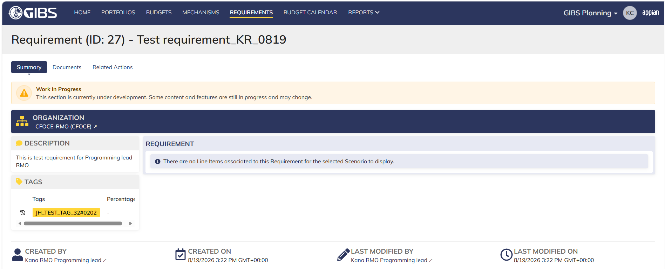
DIABPS Sprint 1 - DIABPS-129 TEST CASE SCENARIO |  | TESTER INFO
Test Case ID: | DIABPS_129#14 | Created By: | Kana Raghavan
Test Scenario: | A user with an appropriate role can view a requirement from planning module | Created On: | 2026-08-10
User Story: | View a requirement(Planning and Execution modules) | Reviewed By: | Jordan Helman
Story Description: | As a(n) Execution Admin, Programming Admin, Manpower Admin, Resource Management Lead, Execution Lead, Programming Lead, Manpower Lead, Execution Analyst, Programming Analyst, or Manpower Analyst, DDFor/CCMD/Office Business Manager, Office Chief, or Viewer at any level (ES, DS, Service, RMO, CCRM, CCMD, DDFor, or Office) user can view requirements within their organization to review its details. | Reviewed On: | 2026-08-14
Environment: | GIBS Test | Executed By: | Kana Raghavan
User Role(s): | Office Chief for (Office) Org | Executed On: | 2026-08-20
Pre-Conditions: | User able to login to Planning module successfully as Office Chief who is assigned to specific Org (Office)
Acceptance Criteria | The user will be able to navigate to a site page for “Requirements” Within this site page, the user will be able to: Search for Requirements within my organization by title View a list of Requirements The following columns appear by default: ID This is a hyperlink to the Requirement record summary Title Description Organization Code(s)- If there is more than organization code, the organization codes will display as a bulleted list Active The following columns are optional: Created By Created On Last Modified By Last Modified On Filter Requirements by any of the following which are hidden by default: Title Text field Description Text field Organization Code(s) Autocomplete Search Field Active Within a Requirement’s record, The user can view the Summary tab with the following fields displayed: ID This is a hyperlink to the Requirement record summary Title Description Organization Code(s) If there is more than organization code, the organization codes will display as a bulleted list The user can view the Documents associated to this requirement

Step Number | Step Description | Input Data | Expected Results | Pass/Fail
STEP 1 | Log in as a user with Office Chief credential. User should be assigned to a specific Org (Office). https://ams-test.appiancloud.us/suite/ | Username: | User able to login successully | Pass
STEP 2 | Click on GIBS Planning module on top right dropdown to launch Planning module | N/A | User able to click on dropdown and able to launch Planning module | Pass
STEP 3 | Click on "Requirements" Tab | N/A | User able to click requirements tab and current requirements are displayed with all details | Pass
STEP 4 | User able to view requirements with below headers and search for requirement within their organization ID Title Description Organization code Active | N/A | Current requirements are listed with below fields ID Title Description Organization code Active The user can only see requirements that have at least 1 Organization within their scope | Pass
STEP 5 | User should be able to click on "Show Filters" and Filter box is displayed. User should be able to use below fields and use filters: Title Description Organization Codes Active ( User can toggle "Yes" or "No") | Title- Text Description- Text Organization Codes Active (Yes or No) | User should be able to use Filters and view requirements based on Filter that user inputs. | Pass
STEP 6 | User clicks on ID which is hyperlink to open the requirement | N/A | User able to click on ID and requirement screen is displayed | Pass
STEP 7 | Requirement screen is displayed with Requirement ID and Title as header Sub-tabs are displayed and user able to click on below tabs and view the details: Summary Documents Related actions | N/A | Requirement screen with details and user able to click on all sub-tabs successfully | Pass
STEP 8 | On Summary Screen system will record the user who performed the action and the datetime it was performed. Below details are displayed for successful update Created By Created On Last Modified By Last Modified On | N/A | User able to view all system recorded details | Pass
STEP 9 | Click on Documents and user able to view uploaded documents and able to download documents | N/A | User able to view documents and download successfully | Pass
Evidences
 | Login as CE Office Chief

ES Viewer_Planning
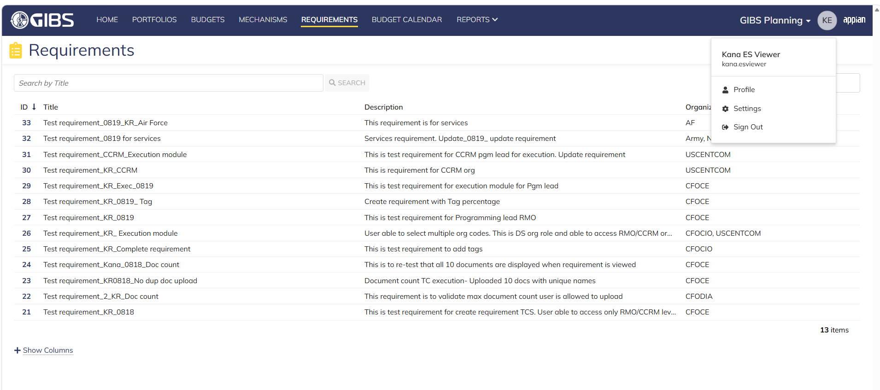
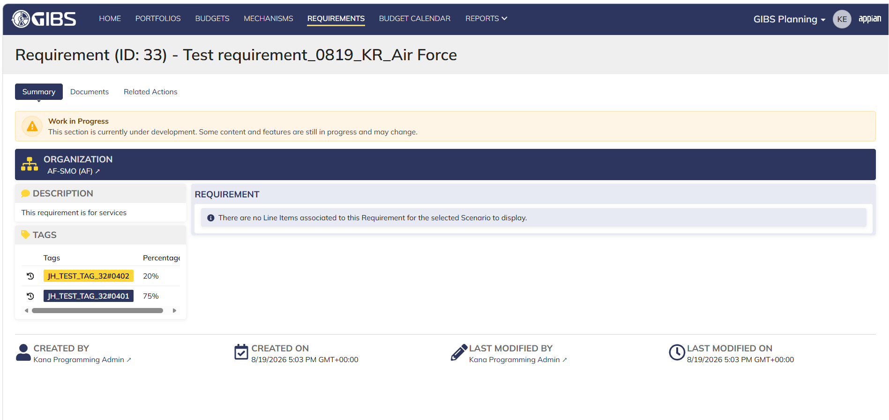
DIABPS Sprint 1 - DIABPS-129 TEST CASE SCENARIO |  | TESTER INFO
Test Case ID: | DIABPS_129#15 | Created By: | Kana Raghavan
Test Scenario: | A user with an appropriate role can view a requirement from planning module | Created On: | 2026-08-10
User Story: | View a requirement(Planning and Execution modules) | Reviewed By: | Jordan Helman
Story Description: | As a(n) Execution Admin, Programming Admin, Manpower Admin, Resource Management Lead, Execution Lead, Programming Lead, Manpower Lead, Execution Analyst, Programming Analyst, or Manpower Analyst, DDFor/CCMD/Office Business Manager, Office Chief, or Viewer at any level (ES, DS, Service, RMO, CCRM, CCMD, DDFor, or Office) user can view requirements within their organization to review its details. | Reviewed On: | 2026-08-14
Environment: | GIBS Test | Executed By: | Kana Raghavan
User Role(s): | Viewer for (ES) Org | Executed On: | 2026-08-20
Pre-Conditions: | User able to login to Planning module successfully as a Viewer who is assigned to specific Org (ES)
Acceptance Criteria | The user will be able to navigate to a site page for “Requirements” Within this site page, the user will be able to: Search for Requirements within my organization by title View a list of Requirements The following columns appear by default: ID This is a hyperlink to the Requirement record summary Title Description Organization Code(s)- If there is more than organization code, the organization codes will display as a bulleted list Active The following columns are optional: Created By Created On Last Modified By Last Modified On Filter Requirements by any of the following which are hidden by default: Title Text field Description Text field Organization Code(s) Autocomplete Search Field Active Within a Requirement’s record, The user can view the Summary tab with the following fields displayed: ID This is a hyperlink to the Requirement record summary Title Description Organization Code(s) If there is more than organization code, the organization codes will display as a bulleted list The user can view the Documents associated to this requirement

Step Number | Step Description | Input Data | Expected Results | Pass/Fail
STEP 1 | Log in as a user with Viewer credential. User should be assigned to a specific Org (ES). https://ams-test.appiancloud.us/suite/ | Username: | User able to login successfully | Pass
STEP 2 | Click on GIBS Planning module on top right dropdown to launch Planning module | N/A | User able to click on dropdown and able to launch Planning module | Pass
STEP 3 | Click on "Requirements" Tab | N/A | User able to click requirements tab and current requirements are displayed with all details | Pass
STEP 4 | User able to view requirements with below headers and search for requirement within their organization ID Title Description Organization code Active | N/A | Current requirements are listed with below fields ID Title Description Organization code Active The user can only see requirements that have at least 1 Organization within their scope | Pass
STEP 5 | User should be able to click on "Show Filters" and Filter box is displayed. User should be able to use below fields and use filters: Title Description Organization Codes Active ( User can toggle "Yes" or "No") | Title- Text Description- Text Organization Codes Active (Yes or No) | User should be able to use Filters and view requirements based on Filter that user inputs. | Pass
STEP 6 | User clicks on ID which is hyperlink to open the requirement | N/A | User able to click on ID and requirement screen is displayed | Pass
STEP 7 | Requirement screen is displayed with Requirement ID and Title as header Sub-tabs are displayed and user able to click on below tabs and view the details: Summary Documents Related actions | N/A | Requirement screen with details and user able to click on all sub-tabs successfully | Pass
STEP 8 | On Summary Screen system will record the user who performed the action and the datetime it was performed. Below details are displayed for successful update Created By Created On Last Modified By Last Modified On | N/A | User able to view all system recorded details | Pass
STEP 9 | Click on Documents and user able to view uploaded documents and able to download documents | N/A | User able to view documents and download successfully | Pass
Evidences
 | Login as ES Viewer- User able to view DS/RMO/CCRM/Services
 | seric

DS Viewer_Planning
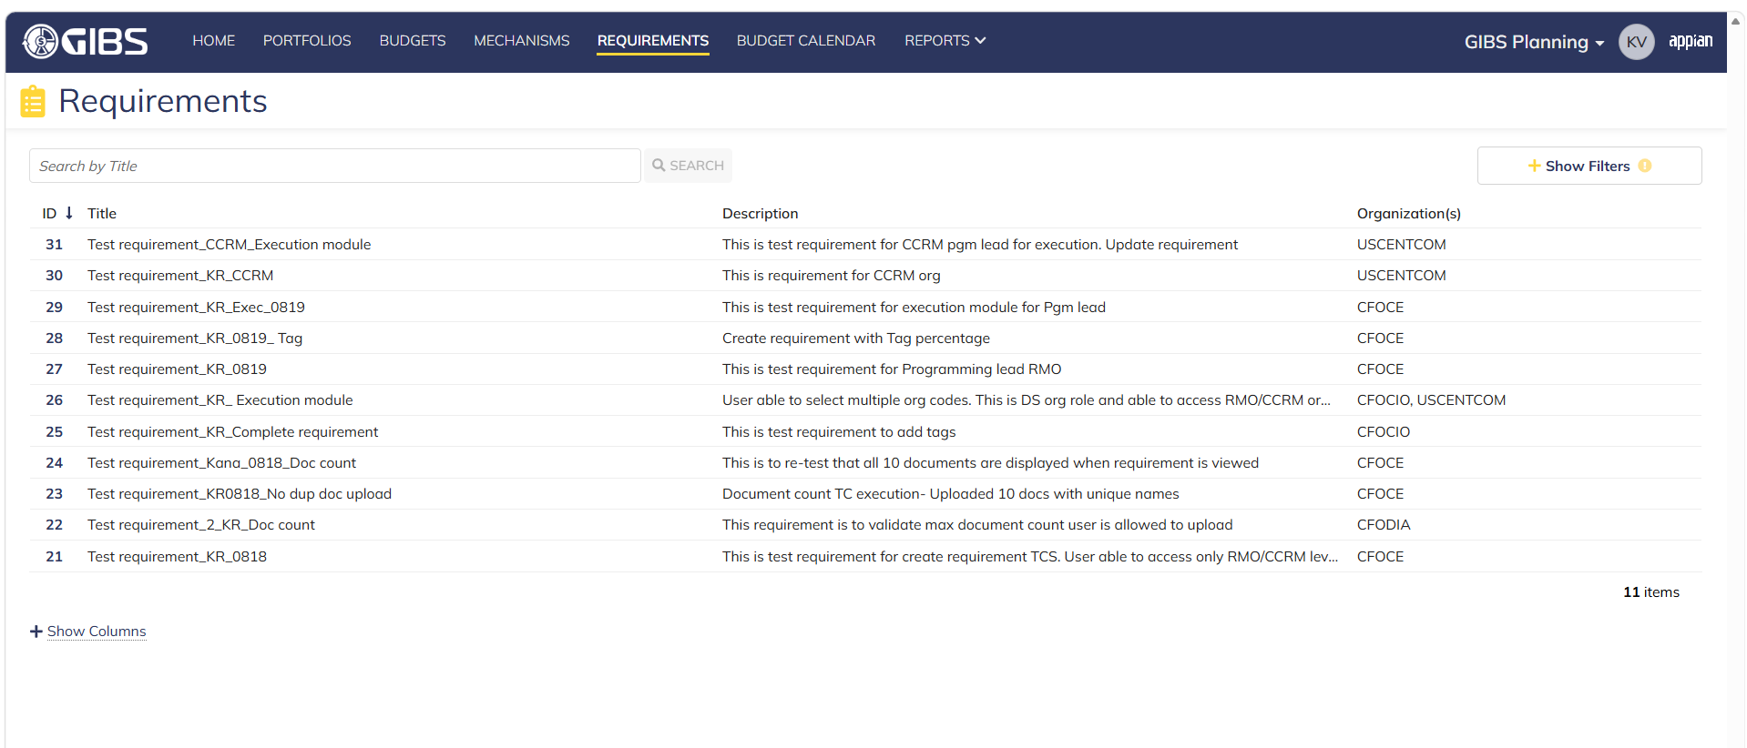
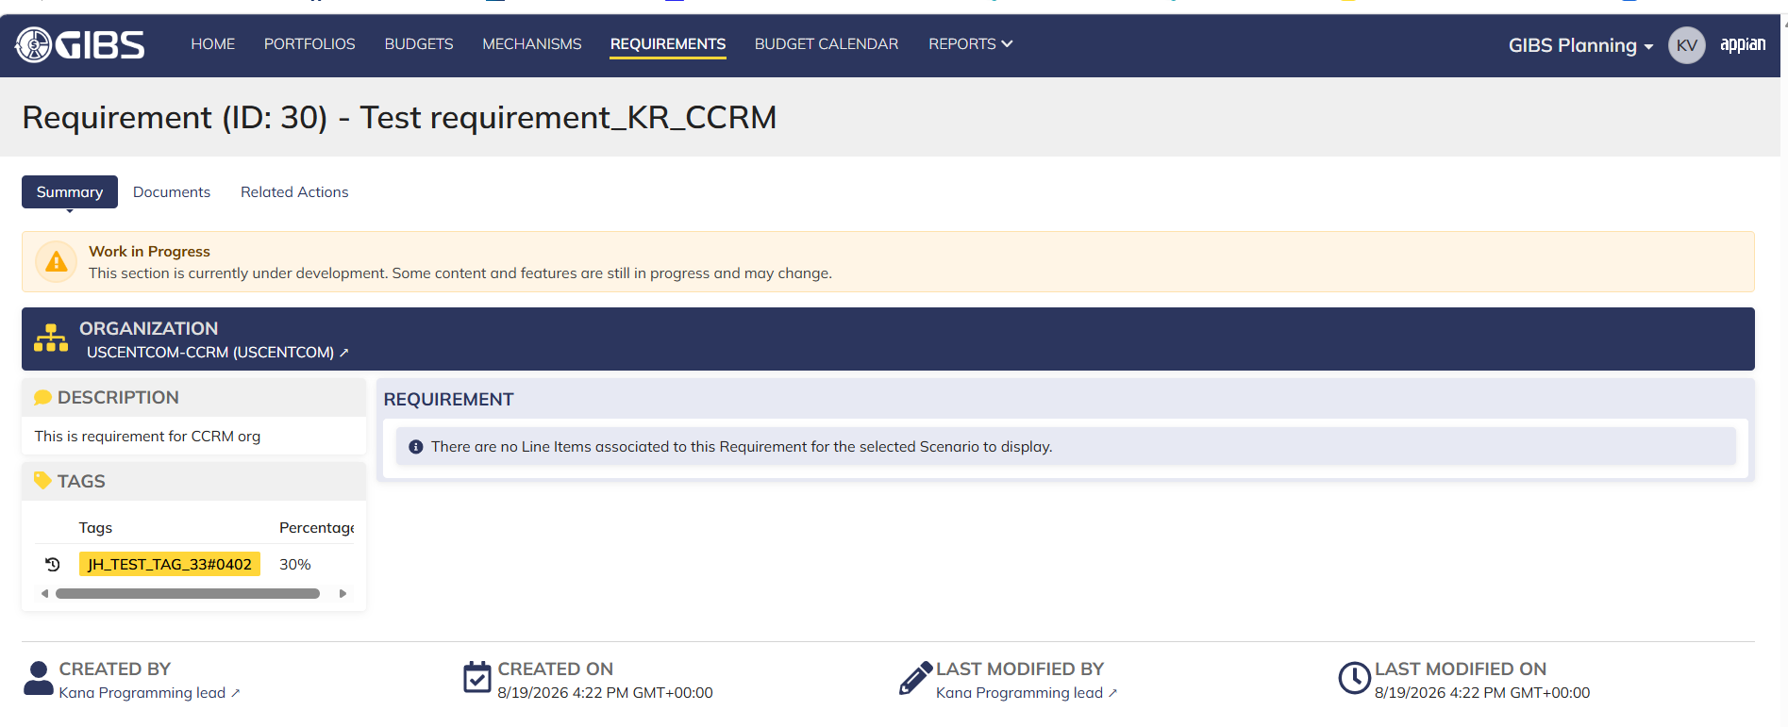
DIABPS Sprint 1 - DIABPS-129 TEST CASE SCENARIO |  | TESTER INFO
Test Case ID: | DIABPS_129#16 | Created By: | Kana Raghavan
Test Scenario: | A user with an appropriate role can view a requirement from planning module | Created On: | 2026-08-10
User Story: | View a requirement(Planning and Execution modules) | Reviewed By: | Jordan Helman
Story Description: | As a(n) Execution Admin, Programming Admin, Manpower Admin, Resource Management Lead, Execution Lead, Programming Lead, Manpower Lead, Execution Analyst, Programming Analyst, or Manpower Analyst, DDFor/CCMD/Office Business Manager, Office Chief, or Viewer at any level (ES, DS, Service, RMO, CCRM, CCMD, DDFor, or Office) user can view requirements within their organization to review its details. | Reviewed On: | 2026-08-14
Environment: | GIBS Test | Executed By: | Kana Raghavan
User Role(s): | Viewer for (DS) Org | Executed On: | 2026-08-20
Pre-Conditions: | User able to login to Planning module successfully as a Viewer who is assigned to specific Org (DS)
Acceptance Criteria | The user will be able to navigate to a site page for “Requirements” Within this site page, the user will be able to: Search for Requirements within my organization by title View a list of Requirements The following columns appear by default: ID This is a hyperlink to the Requirement record summary Title Description Organization Code(s)- If there is more than organization code, the organization codes will display as a bulleted list Active The following columns are optional: Created By Created On Last Modified By Last Modified On Filter Requirements by any of the following which are hidden by default: Title Text field Description Text field Organization Code(s) Autocomplete Search Field Active Within a Requirement’s record, The user can view the Summary tab with the following fields displayed: ID This is a hyperlink to the Requirement record summary Title Description Organization Code(s) If there is more than organization code, the organization codes will display as a bulleted list The user can view the Documents associated to this requirement

Step Number | Step Description | Input Data | Expected Results | Pass/Fail
STEP 1 | Log in as a user with Viewer credential. User should be assigned to a specific Org (DS). https://ams-test.appiancloud.us/suite/ | Username: | User able to login successfully | Pass
STEP 2 | Click on GIBS Planning module on top right dropdown to launch Planning module | N/A | User able to click on dropdown and able to launch Planning module | Pass
STEP 3 | Click on "Requirements" Tab | N/A | User able to click requirements tab and current requirements are displayed with all details | Pass
STEP 4 | User able to view requirements with below headers and search for requirement within their organization ID Title Description Organization code Active | N/A | Current requirements are listed with below fields ID Title Description Organization code Active The user can only see requirements that have at least 1 Organization within their scope | Pass
STEP 5 | User should be able to click on "Show Filters" and Filter box is displayed. User should be able to use below fields and use filters: Title Description Organization Codes Active ( User can toggle "Yes" or "No") | Title- Text Description- Text Organization Codes Active (Yes or No) | User should be able to use Filters and view requirements based on Filter that user inputs. | Pass
STEP 6 | User clicks on ID which is hyperlink to open the requirement | N/A | User able to click on ID and requirement screen is displayed | Pass
STEP 7 | Requirement screen is displayed with Requirement ID and Title as header Sub-tabs are displayed and user able to click on below tabs and view the details: Summary Documents Related actions | N/A | Requirement screen with details and user able to click on all sub-tabs successfully | Pass
STEP 8 | On Summary Screen system will record the user who performed the action and the datetime it was performed. Below details are displayed for successful update Created By Created On Last Modified By Last Modified On | N/A | User able to view all system recorded details | Pass
STEP 9 | Click on Documents and user able to view uploaded documents and able to download documents | N/A | User able to view documents and download successfully | Pass

Evidences
 | Login as DS Viewer

Service Viewer_Planning
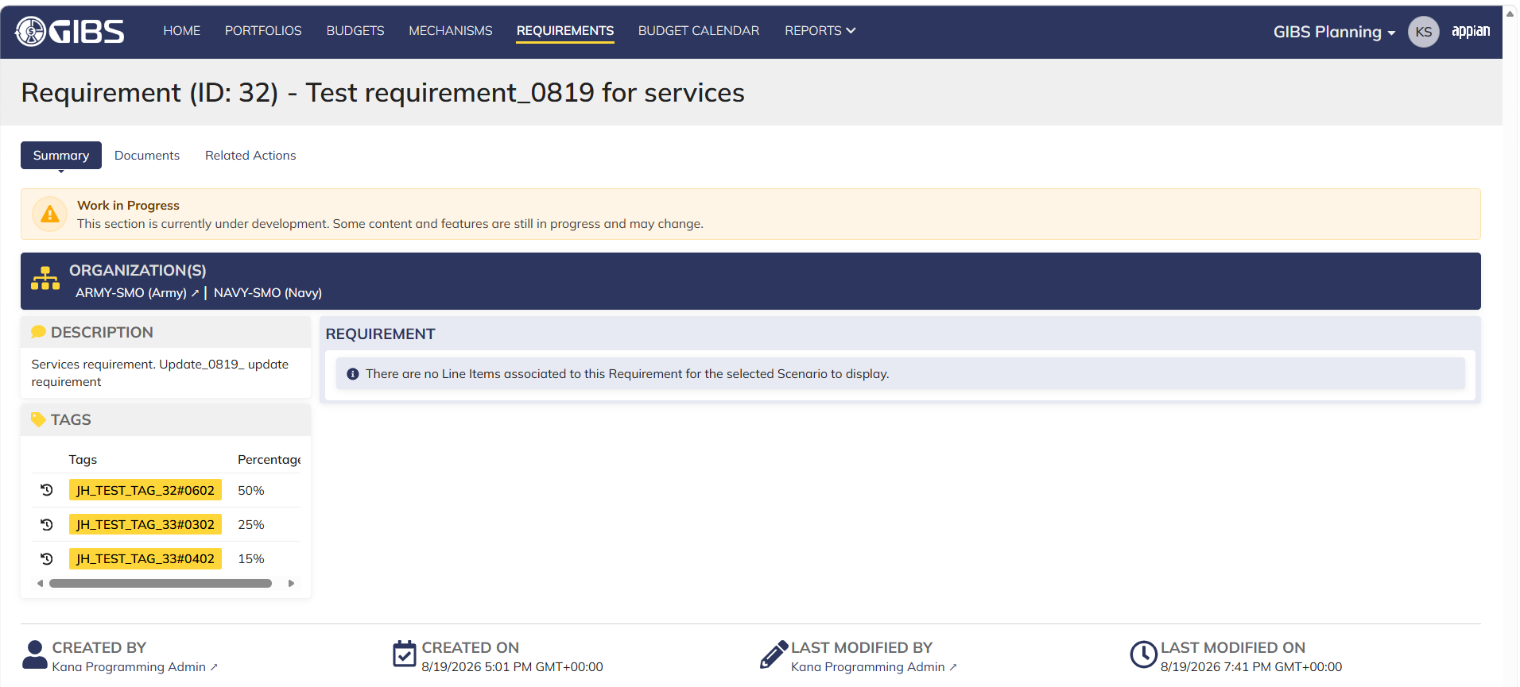
DIABPS Sprint 1 - DIABPS-129 TEST CASE SCENARIO |  | TESTER INFO
Test Case ID: | DIABPS_129#17 | Created By: | Kana Raghavan
Test Scenario: | A user with an appropriate role can view a requirement from planning module | Created On: | 2026-08-10
User Story: | View a requirement(Planning and Execution modules) | Reviewed By: | Jordan Helman
Story Description: | As a(n) Execution Admin, Programming Admin, Manpower Admin, Resource Management Lead, Execution Lead, Programming Lead, Manpower Lead, Execution Analyst, Programming Analyst, or Manpower Analyst, DDFor/CCMD/Office Business Manager, Office Chief, or Viewer at any level (ES, DS, Service, RMO, CCRM, CCMD, DDFor, or Office) user can view requirements within their organization to review its details. | Reviewed On: | 2026-08-14
Environment: | GIBS Test | Executed By: | Kana Raghavan
User Role(s): | Viewer for (Services) Org | Executed On: | 2026-08-20
Pre-Conditions: | User able to login to Planning module successfully as a Viewer who is assigned to specific Org (Services)
Acceptance Criteria | The user will be able to navigate to a site page for “Requirements” Within this site page, the user will be able to: Search for Requirements within my organization by title View a list of Requirements The following columns appear by default: ID This is a hyperlink to the Requirement record summary Title Description Organization Code(s)- If there is more than organization code, the organization codes will display as a bulleted list Active The following columns are optional: Created By Created On Last Modified By Last Modified On Filter Requirements by any of the following which are hidden by default: Title Text field Description Text field Organization Code(s) Autocomplete Search Field Active Within a Requirement’s record, The user can view the Summary tab with the following fields displayed: ID This is a hyperlink to the Requirement record summary Title Description Organization Code(s) If there is more than organization code, the organization codes will display as a bulleted list The user can view the Documents associated to this requirement
...

RMO_CCRM Viewer_Planning
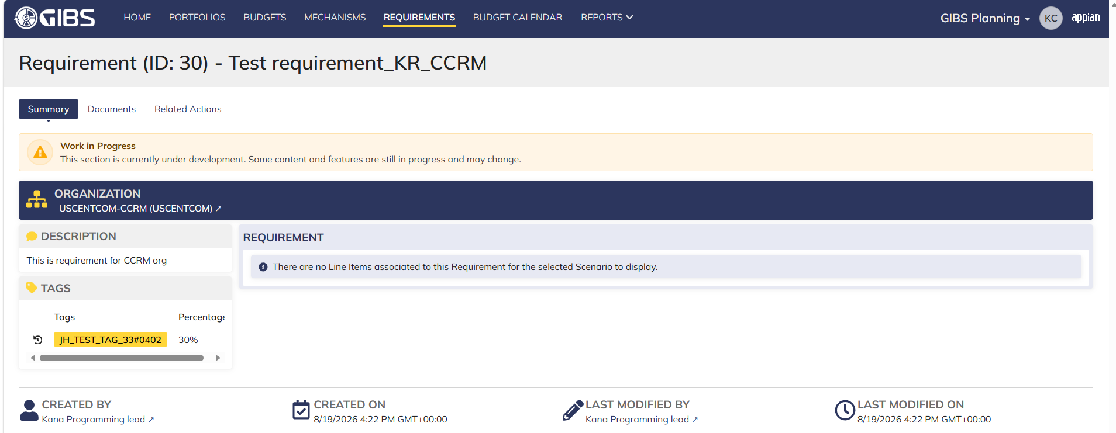
...
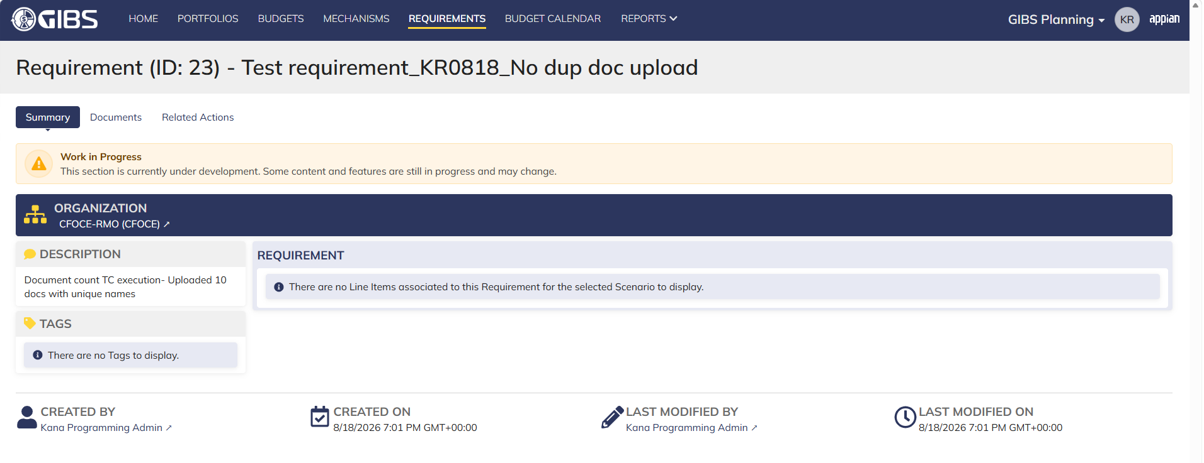

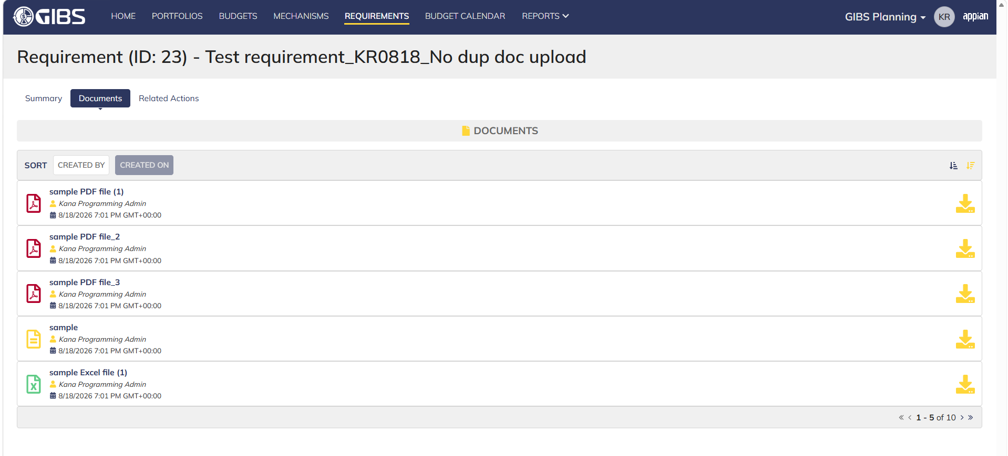

Login as CCRM Viewer

DDFor_CCMD Viewer_Planning
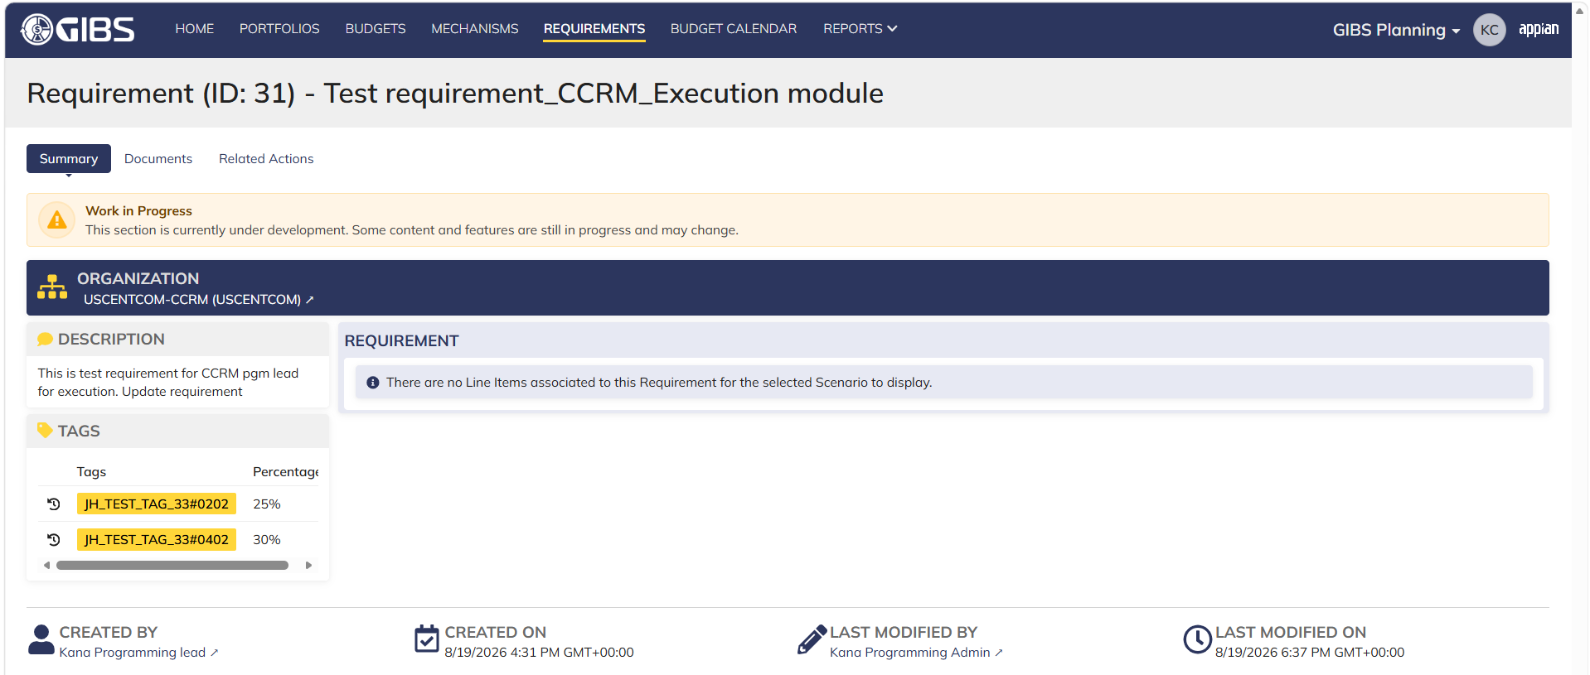
...
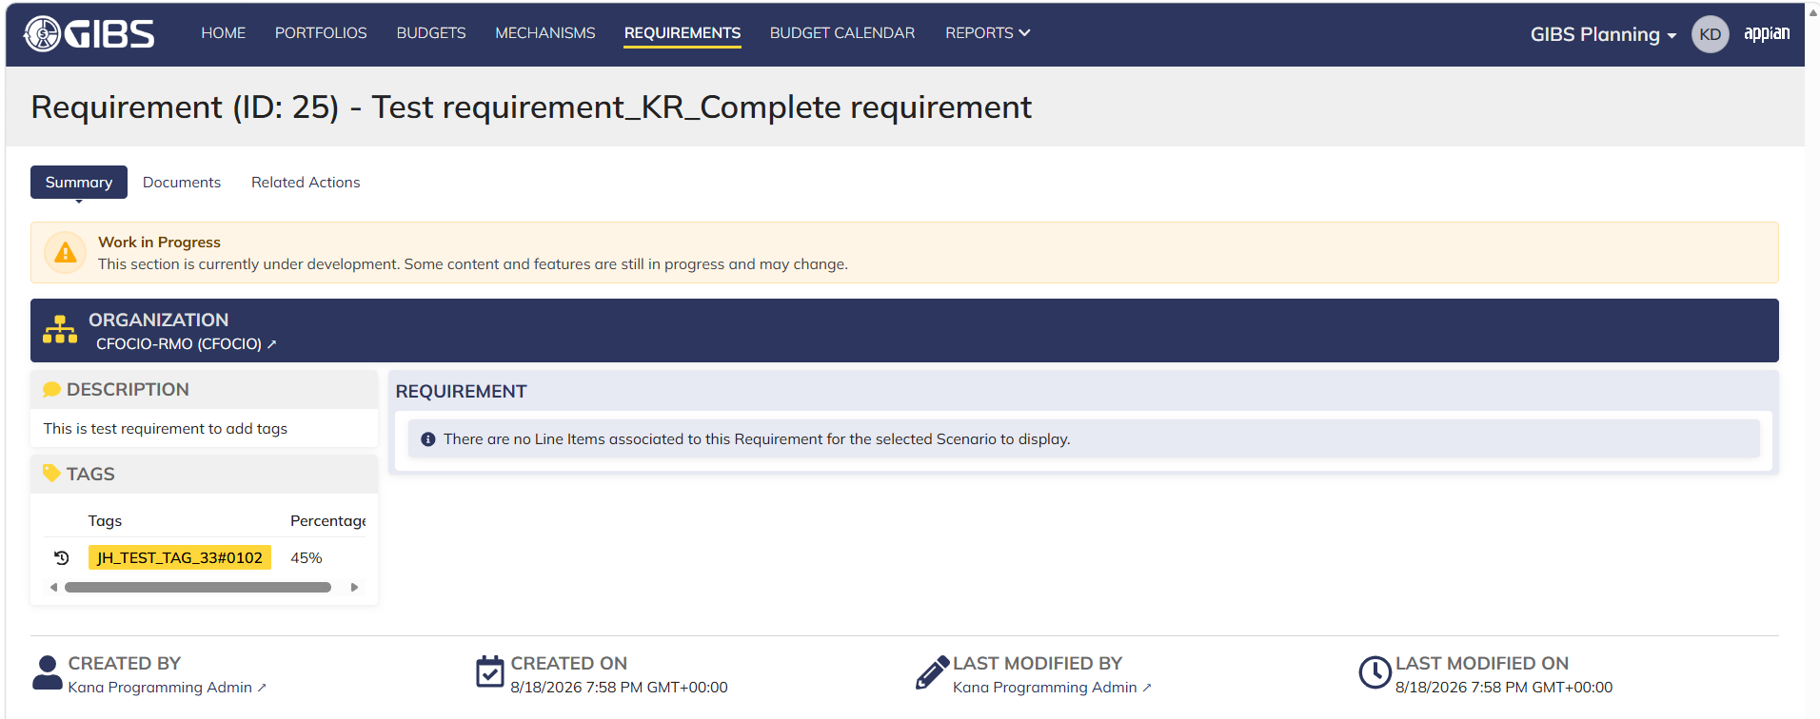

Login as CCMD viewer

Office Viewer_Planning



